Home

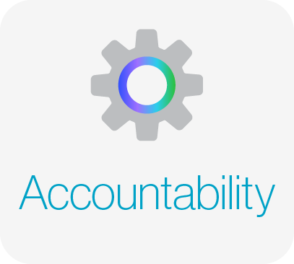

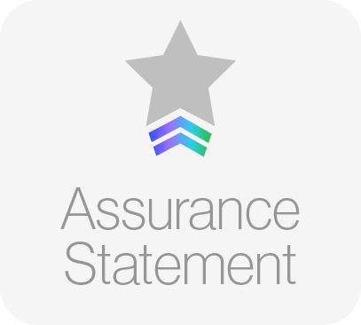
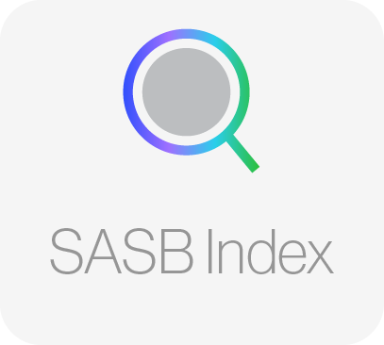
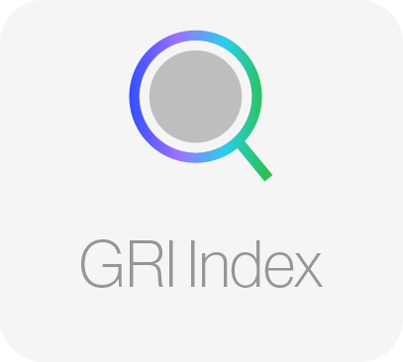

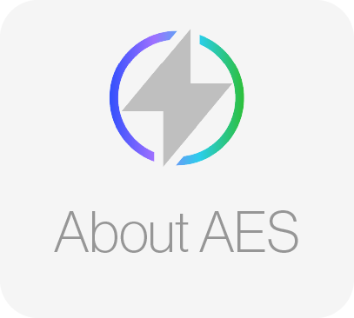
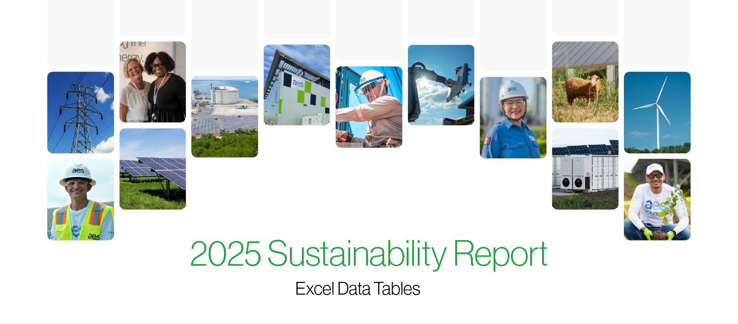
1

About this document
Summary
Excel data tables - Sustainability Report 2025
This excel file is a complementary document for the Improving Lives Report 2025 of The AES Corporation.

Publication date: August 2026

The AES Corporation Sustainability Report - Improving Lives Report - is issued on an annual basis. The 2025 Sustainability Report covers January 1 to December 31, 2025. The report has been prepared using GRI Standards (Universal Standards, Topic Standards related to the company's materiality and includes Electric Utility Sector Disclosures) and SASB Standards (Electric Utilities & Power Generators sector indicators). This excel file is a complementary document for the 2025 Improving Lives Report of The AES Corporation and is intended to provide quantitative data - with a few exceptions. More qualitative information can be found on the 2025 Improving Lives Report, which we recommend reading for full understanding of the year of The AES Corporation in terms of our sustainability impact framework: People, Planet and Accountability. All the data covers all businesses where AES has operational control; exceptions signaled.

External Assurance AES used the services of Lloyd’s Register Quality Assurance Inc. (LRQA) to verify and conduct a limited assurance since 2013 of AES businesses in the following data:
• Scope 1, 2 & 3 and other Air Emissions Data • Water withdrawal and discharge data • Waste data • Generation in MWh • Lost time incidents and fatality rate • Energy use
The Assurance Statement can be found in Assurance Statement tab.
For transparency and clearer purposes, all verified data in this document contains the ☆ symbol.

Where to find more information about The AES Corporation:
2025 Improving Lives Report
AES Website - Impact Section
AES Website - Investor Relations Section
Annual Report 2025
2026 Proxy Statement
AES Code of Conduct

Forward-looking statements / disclaimer
This report was published in August 2026 and contains forward-looking statements within the meaning of the Securities Act of 1933 and of the Securities Exchange Act of 1934. Such forward-looking statements include, but are not limited to, those related to future energy demand, future power prices, the availability and cost of natural gas, the growth of solar and other renewable forms of electricity generation and energy storage, future carbon taxes or regulations, potential rates of reduction in coal-fired electricity generation, the expected operating life of existing coal-fired electricity generation plants, the level of energy efficiency investments, emissions or other targets, the impact of demand-side management and AES’ corporate strategy. Forward-looking statements are not intended to be a guarantee of future results but instead constitute AES’ current expectations based on reasonable assumptions. These assumptions include, but are not limited to, normal levels of operating performance and electricity volume at our distribution companies and operational performance at our generation businesses consistent with historical levels, as well as achievements of planned productivity improvements and execution of AES’ corporate strategy. Actual results could differ materially from those projected in our forward-looking statements due to risks, uncertainties and other factors. Important factors that could affect actual results are discussed in AES’ filings with the Securities and Exchange Commission (SEC), including, but not limited to, the risks discussed under Item 1A “Risk Factors” and Item 7 “Management’s Discussion & Analysis” in AES’ 2025 Annual Report on Form 10-K and in subsequent 10-Q reports filed with the SEC. Readers are encouraged to read AES’ filings to learn more about the risk factors associated with AES’ business. AES undertakes no obligation to update or revise any forward-looking statements, whether as a result of new information, future events or ot

About AES
Index
Excel data tables - Sustainability Report 2025
This excel file is a complementary document for the Improving Lives Report 2025 of The AES Corporation.
-

 | Chapter | Table | Tags
 | Electricity Generation | Table 1 - Number and percentage of gross energy generated by region | GRI EU2 / SASB IF-EU-000.D
 |  | Table 2 - Number and percentage of gross energy generated by primary energy source | GRI EU2 / SASB IF-EU-000.D
 | Installed Capacity | Table 1 - Installed capacity by country (MW) | GRI EU1
 |  | Table 2 - Installed capacity by primary energy source (MW) | GRI EU1
 |  | Table 3 - Installed capacity by SBU and primary energy source (MW) | -
 |  | Table 4 - Capacity under construction at the end of 2024 | GRI EU10
 | Operations | Table 1 - System average interruption duration index (SAIDI) and System average interruption frequency index (SAIFI) for distribution by business | GRI EU28 / GRI EU29 / SASB IF-EU-550a.2
 |  | Table 2 - System average interruption duration index (SAIDI) for transmission | GRI EU28 / GRI EU29
 |  | Table 3 - Average plant availability factor by energy source (%) | GRI EU30
 |  | Table 4 - Generation efficiency of thermal plants (BTU/kWh) | GRI EU11
 |  | Table 5 - Transmission and distribution losses (%) | GRI EU12
 |  | Table 6 - Smart grid related indicators | SASB IF-EU-420a.2
 |  | Table 7 - Gas leakage rate for distribution, transportation and storage | -
 |  | Table 8 - Total wholesale electricity purchased from third-parties and sold (GWh) | SASB IF-EU-000.E
 |  | Table 9 - Length of above and underground lines by business (km) | GRI EU4 / SASB IF-EU-000.C
 |  | Table 10 - Assets certified by a management program (%) | -
 | Customers | Table 1 - AES consolidated customer satisfaction for distribution businesses | -
 |  | Table 2 - Total electricity delivered to residential, commercial, industrial, all other retail customers and wholesale customers by business (MWh) | SASB IF-EU-000.B
 |  | Table 3 - Number of residential, industrial and commercial customer accounts by business | GRI EU3 / SASB IF-EU-000.A
 |  | Table 4 - Average retail electric rate for residential, commercial and industrial customers by business (US$/kWh) | SASB IF-EU-240a.1
 |  | Table 5 - Customer electricity savings from efficiency measures by business (MWh) | SASB IF-EU-420a.3
 |  | Table 6 - Number of residential customer electric disconnections for non-payment and percentage reconnected within 30 days by business | SASB IF-EU-240a.3
 | Stakeholders | Table 1 - Stakeholder engagement | GRI 2-29

Electricity Generation
Excel data tables - Sustainability Report 2025
This excel file is a complementary document for the Improving Lives Report 2025 of The AES Corporation.
The☆symbol indicates that the data has received a third-party assurance.
-

 | Table 1 - Number and percentage of gross energy generated by region
 | Region * | 2022 |  |  |  | 2023 |  |  |  | 2024 |  |  |  | 2025 |  |  |  | Tags
 |  | Full basis |  | Equity basis |  | Full basis |  | Equity basis |  | Full basis |  | Equity basis |  | Full basis |  | Equity basis
 |  | MWh | % | MWh | % | MWh | % | MWh | % | MWh | % | MWh | % | MWh | % | MWh | %
 | Eurasia | 15,006,826 | 14.187812799 | 9,390,077 | 12.1 | 14,059,218 | 13.359582033 | 7,994,964 | 11.0 | 12,753,163 | 13.1 | 6,986,902 | 10.7 | 12,934,283 | 14.4 | 7,445,969 | 11.7 | GRI EU2 / SASB IF-EU-000.D
 | MCAC | 19,145,120 | 18.100255082 | 16,202,562 | 20.8 | 15,423,916 | 14.656367877 | 12,436,833 | 17.2 | 19,100,151 | 19.7 | 14,322,903 | 21.9 | 15,888,401 | 17.7 | 9,775,091 | 15.4
 | South America | 37,401,552 | 35.36032324 | 28,791,840 | 37.0 | 41,145,206 | 39.09767633 | 29,362,345 | 40.5 | 32,944,183 | 33.9 | 23,725,144 | 36.2 | 21,166,747 | 23.6 | 19,695,589 | 31.0
 | United States | 34,219,155 | 32.351608879 | 23,459,467 | 30.1 | 34,608,620 | 32.886373761 | 22,710,058 | 31.3 | 32,243,116 | 33.2 | 20,494,000 | 31.3 | 39,643,906 | 44.2 | 26,615,942 | 41.9
 | Total | 105,772,653 | - | 77,843,946 | - | 105,236,960 |  | 72,504,200 |  | 97,040,613 |  | 65,528,949 |  | 89,633,338 |  | 63,532,591

 | Table 2 - Number and percentage of gross energy generated by primary energy source1
 | Primary energy source | 2022 |  |  |  | 2023 |  |  |  | 2024 |  |  |  | 2025 |  |  |  | Tags
 |  | Full basis |  | Equity basis |  | Full basis |  | Equity basis |  | Full basis |  | Equity basis |  | Full basis |  | Equity basis
 |  | MWh | % | MWh | % | MWh | % | MWh | % | MWh | % | MWh | % | MWh | % | MWh | %
 | Coal (includes Anthracite & Lignite) | 36,627,337 | 34.6 | 29,060,880 | 37.3 | 29,577,128 | 28.1 | 22,503,563 | 31.0 | 25,570,219 | 26.4 | 19,244,191 | 29.4 | 26,453,143 | 29.5 | 20,789,538 | 32.7 | GRI EU2 / SASB IF-EU-000.D
 | Pet Coke | 3,883,646 | 3.7 | 3,844,811 | 4.9 | 3,224,492 | 3.1 | 3,192,247 | 4.4 | 2,155,611 | 2.2 | 2,134,054 | 3.3 | 1,429,104 | 1.6 | 1,414,813 | 2.2
 | Gas | 31,771,201 | 30.0 | 23,394,352 | 30.1 | 32,094,931 | 30.5 | 22,310,888 | 30.8 | 29,916,819 | 30.8 | 19,311,301 | 29.5 | 29,132,896 | 32.5 | 18,783,754 | 29.6
 | Oil (Diesel & Residual) | - |  | - |  | - | - | - | - |  | - | - | - | 740,529 | 0.8 | 555,397 | 0.9
 | Hydro | 17,850,754 | 16.9 | 12,630,564 | 16.2 | 21,520,878 | 20.4 | 14,376,908 | 19.8 | 15,860,253 | 16.3 | 11,156,961 | 17.0 | 8,956,866 | 10.0 | 7,868,869 | 12.4
 | Wind | 8,743,257 | 8.3 | 5,481,614 | 7.0 | 11,103,228 | 10.6 | 6,580,095 | 9.1 | 13,537,528 | 14.0 | 8,013,480 | 12.2 | 9,600,490 | 10.7 | 6,466,445 | 10.2
 | Solar | 6,804,349 | 6.4 | 3,340,331 | 4.3 | 7,624,492 | 7.2 | 3,449,297 | 4.8 | 9,966,612 | 10.3 | 5,635,452 | 8.6 | 13,298,354 | 14.8 | 7,631,819 | 12.0
 | Biomass | 71,476 | 0.1 | 70,761 | 0.09 | 60,888 | 0.06 | 60,279 | 0.08 | 6,220 | 0.0 | 6,158 | 0.01 | 0 | 0.0 | - | 0.00
 | Landfill Gas | 20,633 | 0.0 | 20,633 | 0.03 | 30,923 | 0.03 | 30,923 | 0.04 | 27,351 | 0.0 | 27,351 | 0.04 | 21,956 | 0.0 | 21,956 | 0.03
 | Total | 105,772,653 | - | 77,843,946 | - | 105,236,960 |  | 72,504,200 |  | 97,040,613 |  | 65,528,949 |  | 89,633,338 |  | 63,532,591

 | Additional information Methodology: All environmental data excludes OVEC (an electric generating company). AES Ohio only owns a 4.9% equity ownership in OVEC without operational control. OVEC has two plants in Cheshire, Ohio and Madison, Indiana with a combined generation capacity of approximately 2,390 MW. AES Ohio’s share of this generation is approximately 117 MW. 1 Coal, Gas and Biomass generation includes steam water generation. * Countries under each region: Eurasia: Bulgaria, Jordan, Netherlands, Vietnam and India (only for 2022 as we no longer have operations in the country) MCAC: Mexico, El Salvador, Panamá and Dominican Republic South America: Argentina, Chile, Colombia and Brazil (only for 2022-2024, as we no longer have operations in the country) United States: includes Puerto Rico

Installed Capacity
Excel data tables - Sustainability Report 2025
This excel file is a complementary document for the Improving Lives Report 2025 of The AES Corporation.

The☆symbol indicates that the data has received a third-party assurance.

Table 1 - Installed capacity by country (MW)
Country |  | 2022 |  | 2023 |  | 2024 |  | 2025 |  | Tags
 |  | Full basis | Equity basis | Full basis | Equity basis | Full basis | Equity basis | Full basis | Equity basis
Argentina |  | 4,220 | 3,638 | 4,220 | 3,638 | 4,220 | 3,641 | 4,220 | 3,641 | GRI EU1
Brazil |  | 4,240 | 1,915 | 5,067 | 2,224 | 0 | 0 | 0 | 0
Bulgaria |  | 846 | 829 | 846 | 829 | 846 | 829 | 846 | 829
Chile |  | 3,361 | 2,947 | 3,752 | 3,271 | 3,579 | 2,634 | 4,072 | 3,336
Colombia |  | 1,129 | 1,120 | 1,129 | 1,120 | 1,129 | 1,123 | 1,129 | 1,123
Dominican Republic |  | 847 | 722 | 847 | 553 | 947 | 618 | 1,087 | 581
El Salvador |  | 123 | 68 | 143 | 88 | 143 | 88 | 143 | 88
India |  | 10 | 6 | 0 | 0 | 0 | 0 | 0 | 0
Jordan |  | 770 | 282 | 770 | 282 | 770 | 89 | 770 | 89
Mexico |  | 1,361 | 1,076 | 1,361 | 1,076 | 1,361 | 1,076 | 1,361 | 1,076
Netherlands |  | 10 | 10 | 10 | 10 | 10 | 10 | 10 | 10
Panamá |  | 1,182 | 865 | 1,182 | 732 | 1,872 | 903 | 1,888 | 911
USA (includes Puerto Rico) |  | 12,985 | 9,384 | 14,026 | 9,592 | 15,987 | 11,212 | 17,972 | 12,655
Vietnam |  | 1,242 | 633 | 1,242 | 633 | 1,242 | 633 | 1,242 | 633
Total |  | 32,326 | 23,495 | 34,596 | 24,047 | 32,106 | 22,856 | 34,740 | 24,972

Table 2 - Installed capacity by primary energy source (MW)
Energy source |  | 2022 |  | 2023 |  | 2024 |  | 2025 |  | Tags
 |  | Full basis | Equity basis | Full basis | Equity basis | Full basis | Equity basis | Full basis | Equity basis
Coal (includes Anthracite & Lignite) |  | 6,619 | 5,316 | 6,154 | 4,929 | 5,136 | 3,921 | 5,136 | 4,141 | GRI EU1
Pet Coke |  | 550 | 544 | 550 | 544 | 550 | 544 | 550 | 544
Gas |  | 10,366 | 7,827 | 9,508 | 6,695 | 10,179 | 6,667 | 10,179 | 6,667
Oil (Diesel & Residual) |  | 61 | 43 | 54 | 38 | 64 | 45 | 64 | 45
Hydro |  | 6,361 | 4,695 | 6,361 | 4,668 | 3,703 | 3,425 | 3,703 | 3,425
Wind |  | 4,054 | 2,579 | 5,306 | 3,134 | 3,657 | 2,595 | 3,558 | 2,371
Solar |  | 3,644 | 1,953 | 5,406 | 3,041 | 6,726 | 4,041 | 8,170 | 5,134
Biomass |  | 13 | 13 | 13 | 13 | 0 | 0 | 0 | 0
Energy Storage |  | 652 | 518 | 1,238 | 979 | 2,085 | 1,612 | 3,374 | 2,639
Landfill Gas |  | 6.3 | 6.0 | 6.3 | 6.0 | 6.3 | 6.0 | 6.3 | 6.0
Total |  | 32,326 | 23,494 | 34,596 | 24,047 | 32,106 | 22,856 | 34,740 | 24,972

Table 3 - Installed capacity by SBU and primary energy source (MW)
SBU | Primary energy source | 2025
 |  | Full basis | Equity basis
Renewables | Hydro | 3,703 | 3,425
 | Solar | 7,592 | 4,744
 | Wind | 3,452 | 2,297
 | Energy Storage | 3,089 | 2,433
Utilities | Gas | 1,954 | 1,368
 | Coal | 1,222 | 855
 | Solar | 578 | 390
 | Wind | 106 | 74
 | Energy Storage | 269 | 190
 | Landfill Gas | 6 | 6
 | Oil | 64 | 45
Energy Infrastructure | Gas | 8,225 | 5,299
 | Coal | 3,914 | 3,286
 | Hydro | - | -
 | Solar | - | -
 | Wind | - | -
 | Energy Storage | 16 | 16
 | Pet Coke | 550 | 544
Total |  | 34,740 | 24,972

Table 4 - Capacity under construction at the end of 2025
SBU | Business | Location | Fuel | Gross MW | Tags
Renewables | Keydet | US-VA | Solar | 62
 | West Camp | US-AZ | Wind | 80
 | AES Clean Energy Development | US-Various | Solar | 12
 | Halifax | US-NC | Solar | 80
 | Jobos | US-PR | Solar | 80
 |  |  | Energy Storage | 110
 | Salinas | US-PR | Solar | 120
 |  |  | Energy Storage | 175
 | Arenales | Chile | Energy Storage | 300
 | Armadillo | US-TX | Solar | 200
 | Bellefield 2 | US-CA | Solar | 500
 |  |  | Energy Storage | 500
 | Windsor | US-VA | Solar | 85
 | Baldy Mesa Energy Storage | US-CA | Energy Storage | 50
 | Vientos Bonaerenses 3 and 4 | Argentina | Wind | 102
 | Buffalo Gap Repowering | US-TX | Wind | 527
 | Cristales | Chile | Solar | 287
 |  |  | Energy Storage | 340
 | Pampas | Chile | Solar | 229
 |  |  | Energy Storage | 340
 |  |  | Wind | 128
 | Atacama | Chile | Energy Storage | 250
 | Four Horizons | US-TX | Wind | 945
 | Renewables Subtotal |  |  | 5,502
Utilities | Santa Ana IV | El Salvador | Solar | 55
 | Crossvine (AES Indiana) | US-IN | Solar | 85
 |  |  | Energy Storage | 85
 | Utilities Subtotal |  |  | 225
Total |  |  |  | 5,727

Additional information Methodology: Installed capacity data excludes OVEC (an electric generating company). AES Ohio only owns a 4.9% equity ownership in OVEC without operational control. OVEC has two plants in Cheshire, Ohio and Madison, Indiana with a combined generation capacity of approximately 2,390 MW. AES Ohio’s share of this generation is approximately 117 MW. Explanation of terms: SBU = Strategic Business Unit
For more information about our SBUs, like which types of businesses and countries are included in which one of them, access pages 11-12 of the 2025 Annual Report.

Operations
Excel data tables - Sustainability Report 2025
This excel file is a complementary document for the Improving Lives Report 2025 of The AES Corporation.

The☆symbol indicates that the data has received a third-party assurance.

Table 1 - System average interruption duration index (SAIDI) and System average interruption frequency index (SAIFI) for distribution by business1
Business | Indicator | 2022 | 2023 | 2024 | 2025 | Tags
AES El Salvador | SAIDI (hours) | 13.70 | 12.85 | 12.35 | 17.08 | GRI EU28 / GRI EU29 / SASB IF-EU-550a.2
 | SAIFI | 3.95 | 4.40 | 4.10 | 4.23
AES Ohio | SAIDI (hours) | 1.66 | 1.35 | 2.04 | 1.97
 | SAIFI | 0.81 | 0.66 | 0.99 | 0.94
AES Indiana | SAIDI (hours) | 1.87 | 1.45 | 1.46 | 1.26
 | SAIFI | 1.37 | 1.02 | 1.07 | 0.86
Total | SAIDI | 2.56 | 2.31 | 2.86 | 3.14
 | SAIFI | 1.53 | 1.44 | 1.56 | 1.49

Table 2 - System average interruption duration index (SAIDI) for transmission
Indicator |  | 2022 | 2023 | 2024 | 2025 | Tags
System Average Interruption Duration Index (SAIDI) for Transmission |  | 0.07 | 0.02 | 0.07 | 0.10 | GRI EU28 / GRI EU29

Table 3 - Average plant availability factor by energy source (%)
Source |  | 2022 | 2023 | 2024 | 2025 | Tags
Coal (includes Anthracite & Lignite) |  | 83.10% | 85.96% | 90.42% | 90.77% | GRI EU30
Pet Coke |  | 93.32% | 88.59% | 81.59% | 90.41%
Gas |  | 89.21% | 93.27% | 88.46% | 87.47%
Oil (Diesel & Residual) |  | 84.74% | 96.17% | 98.85% | 97.48%
Hydro |  | 92.69% | 92.05% | 90.68% | 83.88%
Wind |  | 90.62% | 92.25% | 93.37% | 94.13%
Solar |  | 96.69% | 98.74% | 98.78% | 95.37%
Biomass |  | 95.97% | 96.20% | - | -
Landfill Gas |  | 82.05% | 94.59% | 96.84% | 96.63%

Table 4 - Generation efficiency of thermal plants (BTU/kWh)
Type of Fuel |  | 2022 | 2023 | 2024 | 2025 | Tags
Coal |  | 10,531 | 10,538 | 10,609 | 10,550 | GRI EU11
Gas |  | 7,716 | 7,931 | 7,727 | 7,680

Table 5 - Transmission and distribution losses (%)2
Indicator |  | 2022 | 2023 | 2024 | 2025 | Tags
Transmission losses |  | 1.94% | 1.82% | 2.03% | 1.76% | GRI EU12
Distribution losses |  | 4.12% | 4.27% | 4.03% | 3.96%

Table 6 - Smart grid related indicators3
Business | Indicator | 2022 | 2023 | 2024 | 2025 | Tags
AES El Salvador | Metering devices in distribution grid that are smart meters (%) | 0.2% | 0.2% | 0.4% | 0.7% | SASB IF-EU-420a.2
 | Electric load served by smart grid technology (%) | 0.1% | 0.1% | 0.4% | 0.9%
AES Ohio | Metering devices in distribution grid that are smart meters (%) | 24% | 57% | 82% | 90%
 | Electric load served by smart grid technology (%) | 33% | 65% | 87% | 93%
AES Indiana | Metering devices in distribution grid that are smart meters (%) | 92.0% | 100.0% | 100.0% | 100.0%
 | Electric load served by smart grid technology (%) | 98% | 100% | 100% | 100%
Total | Metering devices in distribution grid that are smart meters (%) | 58% | 78% | 91% | 95%
 | Total smart meters | +630,000 | +850,000 | +980,000 | +1,050,000

Table 7 - Gas leakage rate for distribution, transportation and storage4
Indicator |  | 2022 | 2023 | 2024 | 2025
Gas Leakage for Distribution (%) |  | 0 | 0 | 0 | 0
Gas Leakage for Transportation (%) |  | 0 | 0 | 0 | 0
Gas Leakage for Storage (%) |  | 0 | 0 | 0 | 0

Table 8 - Total wholesale electricity purchased from third-parties and sold (GWh)
Type of energy source |  | 2022 | 2023 | 2024 | 2025 | Tags
Renewables |  | 16,712 | 18,665 | 17,587 | 21,591 | SASB IF-EU-000.E
Non-renewables |  | 27,694 | 23,558 | 20,167 | 26,572

Table 9 - Length of overhead and underground lines by business (km)5
Business | Type of line | Distribution lines | Transmission lines | Tags
AES Indiana | Overhead | 5,853 | 1,899 | GRI EU4 / SASB IF-EU-000.C
 | Underground | 7,156 | 13.77
AES Ohio | Overhead | 17,283 | 2,671
 | Underground | 6,780 | 14.08
AES El Salvador | Overhead | 41,316 | 0
 | Underground | 203.8 | 0
AES Chile | Overhead | 0 | 1,525
 | Underground | 0 | 0
Total | Overhead | 64,452 | 6,095
 | Underground | 14,140 | 28

Table 10 - Assets certified by a management program (%)6
Management program |  | 2025
ISO 55001 or IAM |  | 57%
ISO 9001 |  | 17%

Additional information Methodology: 1 The indicators were calculated following an internal methodology that considers the indicator weighted by EBITDA to better reflect the impact on the business. In 2025 SAIDI in El Salvador was impacted by extreme weather conditions during June, July, and August. AES El Salvador has implemented a recovery plan aimed at reducing system interruptions. 2 Due to an improvement in the methodology, we updated distribution losses data from 2022-2024. 3The total value represents the percentage of metering devices only of the distribution companies that provide smart meter services (AES Indiana and AES Ohio). In El Salvador there is still no regulation regarding smart meters use; there is a regulation around an investment fund to execute small pilot projects related to AMI and AES El Salvador has proactively installed a few of these metering devices as part of those pilot projects. 4The figures exclude controlled flaring for the storage facility since this is by design and a controlled situation to ensure the proper operation of pressure imbalances. Flaring represented only 0.019% in 2025, 0.04% in 2024, 0.06% in 2023, and 0.06% in 2022. 5Redundant lines were not taken into account. 6We are excluding renewable assets in United States, 83% of which are smaller than 20MW. The ISO 55001 figures also include assets certified at Maturity Level 3 by the Institute of Assset Management, which is considered a comparable asset management certification.

Customers
Excel data tables - Sustainability Report 2025
This excel file is a complementary document for the Improving Lives Report 2025 of The AES Corporation.

The☆symbol indicates that the data has received a third-party assurance.

Table 1 - AES consolidated customer satisfaction for distribution businesses1
Indicator |  | 2022 | 2023 | 2024 | 2025
Customer Satisfaction (%) |  | 85.2% | 76.2% | 63.9% | 66.3%

Table 2 - Total electricity delivered to residential, commercial, industrial, all other retail customers and wholesale customers by business (MWh)
Business | Type of customer | 2022 | 2023 | 2024 | 2025 | Tags
AES Indiana | Residential customers | 5,305,055.00 | 4,799,796.00 | 5,048,596.00 | 5,304,188.00 | SASB IF-EU-000.B
 | Commercial customers | 1,823,103.00 | 1,721,964.00 | 1,774,775.00 | 1,807,132.00
 | Industrial customers | 6,091,933.00 | 5,930,409.00 | 6,010,541.00 | 6,092,372.00
 | All other retail customers | 17,981.00 | 19,213.00 | 38,899.00 | 38,007.00
 | Wholesale customers | 2,148,167.00 | 1,656,978.00 | 853,657.00 | 2,337,273.00
AES Ohio | Residential customers | 5,369,318.87 | 5,064,389.46 | 5,292,121.00 | 5,521,873.00
 | Commercial customers | 3,591,191.69 | 3,546,554.02 | 3,664,530.00 | 3,774,665.00
 | Industrial customers | 3,635,339.88 | 3,586,926.43 | 3,616,730.00 | 3,639,452.00
 | All other retail customers | 1,205,415.69 | 1,197,263.04 | 1,244,191.00 | 1,246,750.00
 | Wholesale customers | no customers in this segment
AES El Salvador | Residential customers | 1,699,621.22 | 1,852,669.79 | 1,987,596.48 | 2,082,832.93
 | Commercial customers | 653,391.05 | 701,749.00 | 729,241.59 | 844,890.79
 | Industrial customers | 1,134,756.13 | 1,171,792.67 | 1,194,666.59 | 1,223,989.16
 | All other retail customers | 552,119.74 | 566,914.08 | 587,314.84 | 559,536.13
 | Wholesale customers | no customers in this segment

Table 3 - Number of residential, industrial and commercial customer accounts by business
Business | Type of customer | 2022 | 2023 | 2024 | 2025 | Tags
AES Indiana | Residential customer | 458,585 | 462,848 | 469,499 | 471,279 | GRI EU3 / SASB IF-EU-000.A
 | Industrial customer | 4,517 | 4,450 | 4,627 | 4,680
 | Commercial customer | 55,409 | 54,998 | 55,587 | 55,661
 | Other customers | 1007 | 1,096 | 1,089.00 | 1,139.00
AES Ohio | Residential customer | 474,751 | 477,254 | 477,941 | 480,980
 | Industrial customer | 1,688 | 1,676 | 1,535 | 1,470
 | Commercial customer | 53,239 | 53,517 | 51,498 | 52,077
 | Other customers | 6,635 | 6,677 | 6,365 | 6,697
AES El Salvador | Residential customer | 1,434,789 | 1,469,904 | 1,504,859 | 1,561,440
 | Industrial customer | 2,567 | 2,633 | 2,748 | 2,853
 | Commercial customer | 102,338 | 103,958 | 106,253 | 112,171
 | Other customers | 12,325 | 13,079 | 13,594 | 14,886

Table 4 - Average retail electric rate for residential, commercial and industrial customers by business (US$/kWh)
Business | Type of customer | 2022 | 2023 | 2024 | 2025 | Tags
AES Indiana | Residential customer | 0.13 | 0.14 | 0.14 | 0.15 | SASB IF-EU-240a.1
 | Industrial customer | 0.11 | 0.10 | 0.10 | 0.11
 | Commercial customer | 0.14 | 0.14 | 0.14 | 0.16
AES Ohio | Residential customer | 0.13 | 0.16 | 0.15 | 0.16
 | Industrial customer | 0.10 | 0.13 | 0.13 | 0.13
 | Commercial customer | 0.12 | 0.15 | 0.14 | 0.14
AES El Salvador | Residential customer | 0.25 | 0.24 | 0.24 | 0.24
 | Industrial customer | 0.19 | 0.19 | 0.21 | 0.22
 | Commercial customer | 0.22 | 0.21 | 0.23 | 0.25

Table 5 - Customer electricity savings from efficiency measures by business (MWh)
Business |  | 2025 | Tags
AES Indiana |  | 166,272.00 | SASB IF-EU-420a.3
AES El Salvador |  | 202,021.29

Table 6 - Number of residential customer electric disconnections for non-payment and percentage reconnected within 30 days by business
Business | Indicator | 2025 | Tags
AES Indiana | Number of residential customer electric disconnections for non-payment | 52,863 | SASB IF-EU-240a.3
 | Percentage reconnected within 30 days | 85.56%
AES Ohio | Number of residential customer electric disconnections for non-payment | 17,540
 | Percentage reconnected within 30 days | 72.50%
AES El Salvador | Number of residential customer electric disconnections for non-payment | 40,210
 | Percentage reconnected within 30 days | 88.23%

Additional information Methodology: 1 The indicators were calculated following an internal methodology that considers the indicator weighted by EBITDA to better reflect the impact on the business. The overall customer satisfaction data provided represents residential results from all AES utility business. The surveys, with their statistically significant representative samples, cover AES’ complete ~2.7 million customer base and all employ similar methodologies.

Stakeholders
Excel data tables - Sustainability Report 2025
This excel file is a complementary document for the Improving Lives Report 2025 of The AES Corporation.

The☆symbol indicates that the data has received a third-party assurance.

Table 1 - Stakeholder engagement
Stakeholder | How we engage with them | Key issues | How issues are addressed | Tags
Our People | Our people play a pivotal role in the success of AES. They are the driving force behind the execution of AES’ strategy and the achievement of goals. Because of that, engaging with them is critical to our business success and our employees expect open discussions about workplace safety, AES goals and priorities, career opportunities, job satisfaction, diversity and inclusion, and benefits via: • Company intranet • Multi-lingual update communications from executives and senior leaders • Internal online forums, Viva Engage communities and digital newsletters • AES Helpline • Global live broadcast sessions • Yearly performance reviews and mid-year touch points • Online courses, classroom training and college degree programs • Leadership and employee development opportunities • Employee surveys and focus groups • Our annual Sustainability Report • Corporate and local market websites and social media channels • Global celebrations to recognize milestones and celebrate AES culture | • Workplace safety • Career opportunities • Job stability • Compensation and benefits • Company strategy and leadership • Positive corporate image • Cascade of information across all levels | • Promote two-way communications • Increase feedback mechanisms • Increase involvement in company-related activities • Training resources made available through Workday Learning • Calendar of Events • Employee Resource Groups • SharePoints and events • People Leaders Digest, a monthly resource provided to all managers • Company-wide calls with Senior Leaders and special subject matter expert guests | GRI 2-29
Customers | We are invested in understanding our customers' perspectives and in addressing their needs to partner and co-create solutions to accelerate the future of energy together, via: • Creation of innovative and customized, tailored energy and energy management solutions • Wholesale and retail power and gas market participation • Customer NPS, satisfaction, internet-based and feedback surveys • Publications, reports and email communications, including newsletters • Market-focused commercial customer relation leaders • Understanding of customer needs to provide diversified energy solutions through a varied portfolio of offerings • Traditional and social media • Participation in and sponsorship of public events and conferences • Host customer forums and events in person and virtually • Conduct training and webinars for customers • Provide updates on key areas, including trends, regulatory frameworks, market information, technologies and innovation • Bi-lateral meetings with customers • Site visits to operational locations and projects • Inclusion in pilot programs of new solutions and offerings • Customer call centers to answer inquiries • Energy efficiency and demand response programs • Residential customer education programs • Commitment to the UN Sustainable Development Goals | • Changing market dynamics and emerging customer needs • Looking for an advisor to navigate their energy needs today and for the future • Achieving sustainability goals and targets in a timely way • Ensuring local knowledge of the energy market, technology trends and other relevant information • Accessing global innovation with local support • Deploying scalable energy solutions • Managing energy use with new technologies and platforms • Meeting increasing energy demands • Ensuring reliable access to energy to power their businesses • Lowering and stabilizing energy costs • Using cleaner energy sources, including renewables • Smarter, more efficient energy use • Safety | • Gain deep understanding of the markets in which we operate and customer segments we are serving • Credible recommendations from industry and process knowledge • Directly engage with customers to co-create, innovate and architect tailored energy solutions to meet specific customer needs • Innovate advancements that address industry and customer needs • Deploy reliable energy solutions, including an all of the above mix, for commercial customers • Optimize the value of energy assets and balance cost savings and risk • Send market, industry trends, technology and company information directly to customers • Provide information and energy management tools via our websites • Develop peak demand management programs and digital solutions
Communities | We partner with communities to strengthen positive impact through socioeconomic and environmental partnerships that improve lives today and in the future. We invest in and ensure consistent dialogue with the communities where we conduct business via: • Periodic community meetings in communities surrounding our facilities • Community needs assessments • Career fairs • Social impact programs and partnerships • Employee volunteerism • Emergency response initiatives • Participation in community events • Hiring locally • Communications through websites, social media, traditional media, and direct correspondence • Ethics hotline & community grievance mechanisms • Conferences & global & local forums • Our annual sustainability report | • Employment of local talent • Economic and business development in local community • Infrastructure • Environmental performance and policies • Job creation • Safety • Skilled workforce development • Social benefits • Reliable and affordable electricity | • Updates on key issues and projects and feedback mechanisms on website and through other channels • Facilitate focus groups and community panels • Support skilled workforce development programs with industry and labor stakeholders at community educational locations • Partner on sustainable social impact programs, guided by our internal social impact framework • Collaborate on community initiatives through multi-stakeholder coalitions and work groups with businesses, governments, and/or civil society • Promote education on safe, adequate, and efficient use of energy • Engage in volunteer activities • Emergency relief efforts | GRI 2-29
Government and regulators | We regularly communicate with local, state, and federal government officials in the countries where we operate to inform and co-create high-value energy solutions based on current and future needs, resources and regulations to help customers and whole economies achieve their energy goals reliably and sustainably. We work to build meaningful engagement opportunities including: • Meetings with regulators and elected officials where our businesses are located • Participate actively in energy forums • Tours of our facilities • Emergency planning exercises with local/state agencies • Policy white papers, testimonies, and briefings • Regulatory proceedings and rate cases • FERC and NERC reporting • Reporting in compliance with national and local requirements across the globe • Ethics hotline & community grievance mechanisms • Corporate and local market websites and social media channels | • Reliability, resilience, security, affordability, and sustainability of electricity supply • Responsible energy transition • Energy market structure and regulation • Job creation and economic development • Environmental compliance • Policies and regulations • Financial/OTC derivatives • Safety • Diverse and balanced energy matrix • Technology innovations • System integration • Efficient deployment of projects • Regulatory certainty and permitting | • Provide information on AES expertise, innovative technologies, and performance reports via our websites • Investment in new technologies to keep long-term electricity supply reliable, affordable, and cleaner • Engage in discussions with governments, think tanks, partners and industry groups • Engage on environmental performance and policy • Engage directly on energy and tax policies and legislation, and advocate for government programs that support energy projects customers.
Investors, Shareholders and Financial Partners | We regularly communicate with our investors regarding our business strategy and plan, risk management, financial returns, growth, and governance via: • Quarterly earnings presentations • Investor relations website • Investor calls • Investor and public forum events such as the Annual Shareholder Meeting and Investor Days • Annual, quarterly and current corporate reports • Proxy communications • Traditional and social media • Regulatory filings & our annual sustainability report • Conferences & global forums | • Strategy and growth plans • Financial performance and liquidity • Company management • Return on investment • Capital allocation • Shareholder returns, including dividends • Risk management • Environmental, Social and Governance performance | • Provide information, presentations, and reports via our websites • One-on-One conversations and roadshows • Timely information on key issues | GRI 2-29
Suppliers | We promote suppliers’ success through clear policies, procedures, terms and conditions which are shared upon the start of any engagement and made available through digital and printed material at our sites. It is important to ensure our suppliers are aligned with our values and standards. We hold our suppliers and contractors to the same high ethical standards we hold ourselves to. | • Innovative, reliable, and cost-effective solutions • Consistency with our policies, code of ethics and vision· | • Provide information for prospective and current suppliers via our websites • Direct contact between vendors and AES supply chain buyers and sourcing specialists • Centralized management of key supply chain categories such as fuel sourcing • Supplier performance evaluation • Published policies and guidelines such as safety requirements and environmental guiding principles • Developed and communicated Supplier Code of Conduct to existing and prospective suppliers • Supplier registration and on-boarding​
Civil Society and Industry Observers | We engage in dialogue with NGOs and other industry observers: • Industry organizations, conferences, and direct dialogue • Participation in advisory councils, business alliances of NGOs • Collaboration with NGOs in facilitating policy-making dialogues • Traditional and social media • Periodic meetings • Our annual sustainability report • Ethics hotline & community grievance mechanisms | • Employment • Business development • Infrastructure • Trends in the sector • Environmental performance and policies Job creation • Safety • Skilled workforce development • Community engagement | • Engage in NGO-sponsored dialogues on energy and environmental topics to build consensus and inform policy • Participate in events as expert in the field to discuss trends in the sector • Share information through websites, social media, traditional media, and direct correspondence • Collaborate on resources to promote and exchange best practices
Media | • Direct engagement • Press releases and news advisories • Our annual sustainability report • Conferences & global forums • Media monitoring • Crisis communications • One-on-One briefing calls | • Dissemination of strategic information • Trends in the energy sector • Image and reputation • Transparency with stakeholders • AES brand • Rapid news cycle • Dissemination of misinformation | • Provide information through Interviews and one on one meetings • Visits to our offices and projects • Sharing information through websites, social media, traditional media, and direct correspondence • Delivering consistent messaging • Responding in a timely manner to news inquiries

People
Index
Excel data tables - Sustainability Report 2025
This excel file is a complementary document for the Improving Lives Report 2025 of The AES Corporation.

Chapter | Table | Tags
Our People | Table 1 - Number of employees | GRI 2-8 / FTSE SLS25
 | Table 2 - Number of employees by region | GRI 2-7
 | Table 3 - Number and proportion of employees by gender | GRI 2-7 / FTSE SLS33
 | Table 4 - Percentage of women in management positions (%) | -
 | Table 5 - Total number of employees per employee category | -
 | Table 6 - Share in total workforce by ethnicity/race - US only (%) | -
 | Table 7 - Percentage of global staff with disabilities | FTSE SLS32
 | Table 8 - Total number of employees per employee category, age and gender | GRI 405-1
Talent Management | Table 1 - Total number and rate of new employee hires by age group, gender and region | GRI 401-1
 | Table 2 - Percentage of open positions filled by internal candidates and average hiring cost | -
 | Table 3 - Total number and rate of turnover by age group, gender and region | GRI 401-1 / FTSE SLS 24
 | Table 4 - Percentage of employees represented by an independent trade union or covered by collective bargaining agreements (%) | -
 | Table 5 - Ratio of the annual total and increase in compensation for the organization’s highest-paid individual to the median annual total compensation for all employees | GRI 2-21
 | Table 6 - Employee engagement/satisfaction survey | -
 | Table 7 - Average hours of training per age group, employee category, gender, race and type of training | GRI 404-1 / FTSE SLS26
 | Table 8 - Average amount spent per FTE and total amount spent on training and development (US$) | -
 | Table 9 - Percentage of total employees receiving training | -
 | Table 10 - Percentage of total employees by gender and by employee category who received a regular performance and career development review | GRI 404-3
 | Table 11 - Number of incidents in relation to instances of labor non-compliance and how dealt with them, or states there were no incidents | FTSE SLS21
 | Table 12 - Human Resources and Workplace Recognitions | -
Health and Safety | Table 1 - Work related injuries for AES people | GRI 403-9 / SASB IF-EU-320a.1 / FTSE SHS15 / FTSE SHS38
 | Table 2 - Work related injuries for all contractors | GRI 403-9 / SASB IF-EU-320a.1 / FTSE SHS40
 | Table 3 - Occupational health and safety management system | GRI 403-8 / FTSE SHS12
 | Table 4 - Number of staff trained on health and safety standards | FTSE SHS13
 | Table 5 - Public fatal incidents | GRI EU25
 | Table 6 - Proactive safety measures | -
 | Table 7 - Safety targets | FTSE SHS39
 | Table 8 - Health and safety recognitions | -
Community | Table 1 - Social initiatives per areas of focus | -
 | Table 2 - Type of initiative (%) | -
Suppliers | Table 1 - Suppliers screening | GRI 2-6
 | Table 2 - Suppliers assessment | -
 | Table 3 - Suppliers capacity building programs | -
 | Table 4 - Suppliers environmental metrics | -

Our People
Excel data tables - Sustainability Report 2025
This excel file is a complementary document for the Improving Lives Report 2025 of The AES Corporation.

The☆symbol indicates that the data has received a third-party assurance.

Table 1 - Number of employees1
Indicator |  | 2022 |  | 2023 |  | 2024 |  | 2025 |  | Tags
Number of AES People |  | 9,061 |  | 9,609 |  | 9,100 |  | 8,336 |  | GRI 2-8 / FTSE SLS25
Number of contractors |  | 16,836 |  | 21,254 |  | 18,391 |  | 15,531
Percentage of employees that are contractors |  | 65% |  | 69% |  | 67% |  | 65%

Table 2 - Number of employees by region
Region * |  | 2022 |  | 2023 |  | 2024 |  | 2025 |  | Tags
Eurasia |  | 847 |  | 845 |  | 739 |  | 684 |  | GRI 2-7
MCAC |  | 1,908 |  | 1,896 |  | 1,997 |  | 1,854
South America |  | 2,572 |  | 2,664 |  | 1,948 |  | 1,787
United States |  | 3,734 |  | 4,204 |  | 4,416 |  | 4,011
Total |  | 9,061 |  | 9,609 |  | 9,100 |  | 8,336

Table 3 - Number and proportion of employees by gender
Gender | Indicator | 2022 |  | 2023 |  | 2024 |  | 2025 |  | Tags
Female | Number of employees | 2,217 |  | 2,461 |  | 2,378 |  | 2,142 |  | GRI 2-7 / FTSE SLS33
 | Proportion of employees | 24.5% |  | 25.6% |  | 26.1% |  | 25.7%
Male | Number of employees | 6,837 |  | 7,140 |  | 6,712 |  | 6,188
 | Proportion of employees | 75.5% |  | 74.3% |  | 73.8% |  | 74.2%
Prefer not to disclose/ Unspecified | Number of employees | 7 |  | 8 |  | 10 |  | 6
 | Proportion of employees | 0.08% |  | 0.08% |  | 0.11% |  | 0.07%

Table 4 - Percentage of women in management positions (%)
Indicator |  | 2022 |  | 2023 |  | 2024 |  | 2025
Percentage of women in junior management positions |  | 15% |  | 17% |  | 18% |  | 19%
Percentage of women in top management positions |  | 21% |  | 21% |  | 24% |  | 21%
Percentage of women in all management positions |  | 21% |  | 22% |  | 24% |  | 23%
Percentage of women in management positions in revenue-generating functions |  | 25% |  | 24% |  | 28% |  | 26%
Percentage of women in STEM-related positions |  | 19% |  | 20% |  | 21% |  | 20%

Table 5 - Total number of employees per employee category
Employee category |  | 2022 |  | 2023 |  | 2024 |  | 2025
Top-level management |  | 94 |  | 92 |  | 87 |  | 62
Middle-level management |  | 947 |  | 1,114 |  | 1,101 |  | 842
Junior-level management |  | 1,028 |  | 1,065 |  | 1,027 |  | 994
General and Administrative (G&A) |  | 2,031 |  | 2,182 |  | 2,036 |  | 1,843
Operations (non-G&A) |  | 4,961 |  | 5,156 |  | 4,849 |  | 4,595

Table 6 - Share in total workforce by ethnicity/race - US only (%)
Ethnicity/race |  | 2022 |  | 2023 |  | 2024 |  | 2025
Asian |  | 5% |  | 6% |  | 6% |  | 6%
Black/African American |  | 9% |  | 9% |  | 10% |  | 10%
Hispanic or Latino |  | 8% |  | 9% |  | 10% |  | 10%
White |  | 73% |  | 70% |  | 69% |  | 68%
American Indian or Alaska Native |  | 0% |  | 1% |  | 0% |  | 0%
Two or more races |  | 2% |  | 2% |  | 2% |  | 3%
Native Hawaiian or Pacific Islander |  | 0% |  | 0% |  | 0% |  | 0%
Not known |  | 1% |  | 3% |  | 2% |  | 2%

Table 7 - Percentage of global staff with disabilities2
Indicator |  | 2025 |  | Tags
Percentage of global staff with disabilities |  | 0.89% |  | FTSE SLS32

Table 8 - Total number of employees per employee category, age and gender3
Employee category | Indicator | Female |  |  |  | Male |  |  |  | Prefer not to disclose/ Unspecified |  |  |  | Total |  |  |  | Tags
 |  | 2022 | 2023 | 2024 | 2025 | 2022 | 2023 | 2024 | 2025 | 2022 | 2023 | 2024 | 2025 | 2022 | 2023 | 2024 | 2025
Top-level management | Under 30 | 0 | 0 |  | 0 | 0 | 0 |  | 0 | 0 | 0 | 0 | 0 | 0 | 0 | 0 | 0 | GRI 405-1
 | 30 - 39 | 0 | 0 |  | 0 | 5 | 4 | 4 | 3 | 0 | 0 | 0 | 0 | 5 | 4 | 4 | 3
 | 40 - 49 | 12 | 11 | 13 | 7 | 33 | 26 | 23 | 17 | 0 | 0 | 0 | 0 | 45 | 37 | 36 | 24
 | 50 - 59 | 8 | 8 | 8 | 5 | 30 | 32 | 26 | 18 | 0 | 0 | 0 | 0 | 38 | 40 | 34 | 23
 | 60 and over | 0 | 0 |  | 1 | 6 | 11 | 13 | 11 | 0 | 0 | 0 | 0 | 6 | 11 | 13 | 12
Middle-level management | Under 30 | 10 | 19 | 16 | 8 | 20 | 29 | 22 | 7 | 0 | 0 | 0 | 0 | 30 | 48 | 38 | 15
 | 30 - 39 | 85 | 104 | 102 | 68 | 178 | 216 | 195 | 147 | 0 | 0 | 0 | 0 | 263 | 320 | 297 | 215
 | 40 - 49 | 113 | 120 | 119 | 94 | 285 | 313 | 317 | 264 | 0 | 0 | 0 | 0 | 398 | 433 | 436 | 358
 | 50 - 59 | 43 | 57 | 68 | 58 | 160 | 181 | 185 | 151 | 0 | 0 | 1 | 0 | 203 | 238 | 254 | 209
 | 60 and over | 5 | 6 | 9 | 10 | 48 | 69 | 67 | 35 | 0 | 0 | 0 | 0 | 53 | 75 | 76 | 45
Junior-level management | Under 30 | 12 | 11 | 6 | 9 | 11 | 12 | 9 | 21 | 0 | 0 | 0 | 0 | 23 | 23 | 15 | 30
 | 30 - 39 | 63 | 77 | 82 | 78 | 207 | 201 | 187 | 159 | 0 | 0 | 0 | 0 | 270 | 278 | 269 | 237
 | 40 - 49 | 45 | 52 | 54 | 59 | 316 | 329 | 308 | 316 | 0 | 0 | 0 | 0 | 361 | 381 | 362 | 375
 | 50 - 59 | 34 | 37 | 37 | 37 | 276 | 284 | 277 | 252 | 0 | 0 | 0 | 0 | 310 | 321 | 314 | 289
 | 60 and over | 5 | 5 | 7 | 9 | 59 | 57 | 60 | 54 | 0 | 0 | 0 | 0 | 64 | 62 | 67 | 63
General and Administrative (G&A) | Under 30 | 285 | 297 | 265 | 218 | 207 | 245 | 219 | 176 | 1 | 1 | 1 | 0 | 493 | 543 | 485 | 394
 | 30 - 39 | 357 | 386 | 336 | 295 | 329 | 356 | 357 | 336 | 0 | 0 | 0 | 0 | 686 | 742 | 693 | 631
 | 40 - 49 | 213 | 230 | 203 | 190 | 226 | 231 | 222 | 226 | 1 | 2 | 2 | 2 | 440 | 463 | 427 | 418
 | 50 - 59 | 106 | 128 | 127 | 117 | 144 | 152 | 143 | 147 | 0 | 0 | 0 | 0 | 250 | 280 | 270 | 264
 | 60 and over | 53 | 54 | 63 | 54 | 109 | 100 | 98 | 82 | 0 | 0 | 0 | 0 | 162 | 154 | 161 | 136
Operations (non-G&A) | Under 30 | 155 | 179 | 164 | 152 | 474 | 498 | 500 | 437 | 2 | 1 | 2 | 1 | 631 | 678 | 666 | 590
 | 30 - 39 | 243 | 286 | 297 | 289 | 1,282 | 1,292 | 1,222 | 1,173 | 1 | 2 | 1 | 1 | 1,526 | 1,580 | 1,520 | 1,463
 | 40 - 49 | 180 | 202 | 200 | 186 | 1,170 | 1,215 | 1,100 | 1,064 | 0 | 0 | 1 | 1 | 1,350 | 1,417 | 1,301 | 1,251
 | 50 - 59 | 129 | 135 | 140 | 148 | 879 | 902 | 822 | 796 | 1 | 1 | 1 | 1 | 1,009 | 1,038 | 963 | 945
 | 60 and over | 61 | 57 | 62 | 50 | 383 | 385 | 336 | 296 | 1 | 1 | 1 | 0 | 445 | 443 | 399 | 346
Total | Under 30 | 462 | 506 | 451 | 387 | 712 | 784 | 750 | 641 | 3 | 2 | 3 | 1 | 1,177 | 1,292 | 1,204 | 1,029
 | 30 - 39 | 748 | 853 | 817 | 730 | 2,001 | 2,069 | 1,965 | 1,818 | 1 | 2 | 1 | 1 | 2,750 | 2,924 | 2,783 | 2,549
 | 40 - 49 | 563 | 615 | 589 | 536 | 2,030 | 2,114 | 1,970 | 1,887 | 1 | 2 | 3 | 3 | 2,594 | 2,731 | 2,562 | 2,426
 | 50 - 59 | 320 | 365 | 380 | 365 | 1,489 | 1,551 | 1,453 | 1,364 | 1 | 1 | 2 | 1 | 1,810 | 1,917 | 1,835 | 1,730
 | 60 and over | 124 | 122 | 141 | 124 | 605 | 622 | 574 | 478 | 1 | 1 | 1 | 0 | 730 | 745 | 716 | 602
Total |  | 2,217 | 2,461 | 2,378 | 2,142 | 6,837 | 7,140 | 6,712 | 6,188 | 7 | 8 | 10 | 6 | 9,061 | 9,609 | 9,100 | 8,336

Additional information Methodology: 1 We have two types of contractors: operational and construction. The majority of our contractors are dedicated to jobs related to maintenance (electrical, mechanical, and civil) and civil construction, among other activities. A variation in the number of contractors can occur due to portfolio management (assets sales or shutdowns) or constructions projects. 2 US and Puerto Rico people are not being considered as this information cannot be tracked under the "Health Insurance Portability and Accountability Act" (HIPAA). 3 Historical data was updated due to improvements in the database. * Countries under each region: Eurasia: Bulgaria, Jordan, Netherlands, Vietnam and India (only for 2022, as we no longer have operations in the country) MCAC: Mexico, El Salvador, Panamá, Puerto Rico, and Dominican Republic South America: Argentina, Chile, Colombia and Brazil (only for 2022-2023, as we no longer have operations in the country) United States

Talent Management
Excel data tables - Sustainability Report 2025
This excel file is a complementary document for the Improving Lives Report 2025 of The AES Corporation.

The☆symbol indicates that the data has received a third-party assurance.

Table 1 - Total number and rate of new employee hires by age group, gender and region
Category | Indicator | 2022 |  | 2023 |  | 2024 |  | 2025 |  | Tags
 |  | Number | % | Number | % | Number | % | Number | %
Age group | Under 30 | 533 | 33 | 533 | 37 | 478 | 39 | 293 | 40 | GRI 401-1
 | 30 - 39 | 613 | 38 | 520 | 36 | 449 | 36 | 243 | 33
 | 40 - 49 | 309 | 19 | 245 | 17 | 203 | 16 | 119 | 16
 | 50 - 59 | 109 | 7 | 127 | 9 | 82 | 7 | 65 | 9
 | 60 and over | 46 | 3 | 29 | 2 | 23 | 2 | 9 | 1
Gender | Female | 554 | 34 | 541 | 37 | 375 | 30 | 246 | 34
 | Male | 1,055 | 66 | 911 | 63 | 859 | 70 | 480 | 66
 | Prefer not to disclose/ Unspecified | 1 | 0.1 | 2 | 0.1 | 1 | 0.1 | 3 | 0.4
Region | Eurasia | 49 | 3 | 47 | 3 | 27 | 2 | 21 | 3
 | MCAC | 171 | 11 | 100 | 7 | 250 | 20 | 128 | 18
 | South America | 467 | 29 | 360 | 25 | 270 | 22 | 143 | 20
 | United States | 923 | 57 | 947 | 65 | 688 | 56 | 437 | 60
Total |  | 1,610 | - | 1,454 | - | 1,235 | - | 729 | -

Table 2 - Percentage of open positions filled by internal candidates and average hiring cost
Indicator |  | 2022 |  | 2023 |  | 2024 |  | 2025
Percentage of open positions filled by internal candidates (%) |  | 20.85 |  | 22.37 |  | 24.14 |  | 28.39
Average hiring cost/FTE (US$) |  | 5,398 |  | 3,991 |  | 2,475 |  | 1,523

Table 3 - Total number and rate of turnover by age group, gender and region
Category |  | 2022 |  | 2023 |  | 2024 |  | 2025 |  | Tags
 |  | Number | % | Number | % | Number | % | Number | %
Age group | Under 30 | 246 | 22 | 217 | 24 | 321 | 18 | 250 | 17 | GRI 401-1 / FTSE SLS 24
 | 30 - 39 | 322 | 29 | 262 | 28 | 574 | 33 | 428 | 29
 | 40 - 49 | 204 | 18 | 172 | 19 | 415 | 24 | 322 | 22
 | 50 - 59 | 186 | 17 | 128 | 14 | 228 | 13 | 240 | 16
 | 60 and over | 161 | 14 | 144 | 16 | 200 | 12 | 245 | 16
Gender | Female | 305 | 27 | 298 | 32 | 457 | 26 | 478 | 32
 | Male | 813 | 73 | 624 | 68 | 1281 | 74 | 1001 | 67
 | Prefer not to disclose/ Unspecified | 1 | 0.1 | 1 | 0.1 | 0 | 0.0 | 6 | 0
Region | Eurasia | 41 | 4 | 54 | 6 | 132 | 8 | 72 | 5
 | MCAC | 95 | 8 | 103 | 11 | 150 | 9 | 264 | 18
 | South America | 482 | 43 | 257 | 28 | 958 | 55 | 293 | 20
 | United States | 501 | 45 | 509 | 55 | 498 | 29 | 856 | 58
Total Turnover |  | 1119 | 10.99 | 923 | 8.76 | 1738 | 16.04 | 1485 | 15.10
Voluntary turnover |  | - | 5.64 | - | 5.16 | 4.64 | 4.28 | 479 | 4.88

Table 4 - Percentage of employees represented by an independent trade union or covered by collective bargaining agreements (%)1
Indicator |  | 2022 |  | 2023 |  | 2024 |  | 2025
% of employees represented by an independent trade union or covered by collective bargaining agreements |  | 70 |  | 73 |  | 81.7 |  | 85.5

Table 5 - Ratio of the annual total and increase in compensation for the organization’s highest-paid individual to the median annual total compensation for all employees 2
Indicator |  | 2024 |  | 2025 |  | Tags
Highest-paid individual annual total compensation/All employees median annual compensation |  | 137 |  | 120 |  | GRI 2-21
Highest-paid individual percentage increase in annual total compensation/All employees median percentage increase in annual total compensation |  | 17.42 |  | 0.70

Table 6 - Employee engagement/satisfaction survey
Indicator |  | 2022 |  | 2023 |  | 2024 |  | 2025
Employee engagement/satisfaction survey |  | 84.1 |  | 81.0 |  | 80.4 |  | 76.5

Table 7 - Average hours of training per age group, employee category, gender, race and type of training3
Category | Indicator | 2022 |  | 2023 |  | 2024 |  | 2025 |  | Tags
Age group | Under 30 | 11.45 |  | 17.42 |  | 25.59 |  | 17.21 |  | GRI 404-1 / FTSE SLS26
 | 30 - 39 | 18.38 |  | 16.37 |  | 20.19 |  | 14.62
 | 40 - 49 | 20.74 |  | 15.11 |  | 17.88 |  | 13.85
 | 50 - 59 | 14.67 |  | 9.46 |  | 14.10 |  | 11.44
 | 60 and over | 5.55 |  | 5.97 |  | 9.99 |  | 13.21
Employee category | Top-level management | 1.32 |  | 2.44 |  | 7.47 |  | 5.37
 | Middle-level management | 10.60 |  | 10.14 |  | 20.03 |  | 11.66
 | Junior-level management | 23.24 |  | 17.42 |  | 20.36 |  | 13.93
 | General and Administrative (G&A) | 45.92 |  | 38.88 |  | 18.06 |  | 15.47
 | Operations (non-G&A) | 4.25 |  | 3.75 |  | 17.61 |  | 13.89
Gender | Female | 11.79 |  | 14.28 |  | 19.83 |  | 12.34
 | Male | 17.88 |  | 13.87 |  | 17.64 |  | 14.52
 | Prefer not to disclose/ Unspecified | 20.28 |  | 51.51 |  | 20.77 |  | 8.00
Region | Eurasia | 10.69 |  | 9.58 |  | 14.14 |  | 14.58
 | MCAC | 4.81 |  | 9.16 |  | 9.75 |  | 4.95
 | South America | 45.90 |  | 25.39 |  | 32.29 |  | 20.08
 | USA | 3.25 |  | 9.79 |  | 16.53 |  | 15.28
Type of training | Experience and exposure | 48.09 |  | 56.68 |  | 36.78 |  | 11.8
 | Assessment and career planning | 1.29 |  | 0.46 |  | 1.56 |  | 0.44
 | Formal learning | 35.74 |  | 43.53 |  | 74.19 |  | 42.5
Total average hours of training per employee |  | 85.32 |  | 101.18 |  | 112.5 |  | 55.45

Table 8 - Average amount spent per FTE and total amount spent on training and development (US$)
Indicator |  | 2022 |  | 2023 |  | 2024 |  | 2025
Total average amount spent per FTE on training and development |  | 766.32 |  | 892.65 |  | 864.30 |  | 770.12

Table 9 - Percentage of total employees receiving training
Indicator |  | 2022 |  | 2023 |  | 2024 |  | 2025
Percentage of total employees receiving training |  | 94% |  | 96% |  | 93% |  | 100%

Table 10 - Percentage of total employees by gender and by employee category who received a regular performance and career development review4
Category | Indicator | 2022 |  | 2023 |  | 2024 |  | 2025 |  | Tags
Gender | Female | 95.9% |  | 96.6% |  | 92.1% |  | 98.4% |  | GRI 404-3
 | Male | 97.5% |  | 97.9% |  | 89.8% |  | 99.2%
 | Prefer not to disclose/ Unspecified | 100.0% |  | 100.0% |  | 100.0% |  | 100.0%
Employee category | Top-level management | 88.2% |  | 71.1% |  | 53.8% |  | 86.7%
 | Middle-level management | 94.8% |  | 96.7% |  | 90.6% |  | 97.7%
 | Junior-level management | 99.2% |  | 99.1% |  | 92.7% |  | 99.6%
 | General and Administrative (G&A) | 96.6% |  | 97.3% |  | 91.5% |  | 98.9%
 | Operations (non-G&A) | 98.4% |  | 98.6% |  | 90.2% |  | 99.6%
Total |  | 97.0% |  | 98.0% |  | 90.4% |  | 99.0%

Table 11 - Number of incidents in relation to instances of labor non-compliance and how dealt with them, or states there were no incidents
Indicator |  | 2025 |  | Tags
Number of incidents in relation to instances of labor non-compliance |  | 0 |  | FTSE SLS21

Table 12 - Responsible Transition 5
Indicator |  | Number |  | Tags
Employees who participated in reskilling programs |  | 570+ |  | GRI 404-2
Employees redeployed |  | 115+

Table 13 - Human Resources and Workplace Recognitions
Country | Recognition, Category | Institution
Argentina | Great Place to Work Certification | Great Place to Work Institute
 | #3 Great Place to Work in Argentina, more than 251 to 1000 employees
 | #7 Best Places to Work - Companies that Care, more than 251 to 1000 employees
Chile | #17 in Great Place to Work in Chile, more than 251 to 1000 employees | Great Place to Work Institute
Colombia | Great Place to Work Certification | Great Place to Work Institute
Dominicana | Great Place to Work Certification | Great Place to Work Institute
 | #9 in Great Place to Work in Manufacturing and Production in Caribbean and Central America
 | #15 in Great Place to Work in the Caribbean and Central America
El Salvador | Great Place to Work Certification | Great Place to Work Institute
 | #9 in Great Placee to Work in El Salvador
Mexico | Great Place to Work Certification | Great Place to Work Institute
Panama | #2 Great Place to Work in Panama | Great Place to Work Institute
 | #1 in Great Place to Work in Manufacturing and Production in the Caribbean and Central America
Puerto Rico | Great Place to Work Certification | Great Place to Work Institute
Corporation | Great Place to Work Certification | Great Place to Work Institute

Additional information Methodology: All information is as of December 31, 2025. 1 AES maintains many global relationships with labor unions and where we have unionized workforces, we work diligently to participate in effective collective bargaining efforts. As of the end of 2025, ~85 percent of our people that were eligible, were covered by collective bargaining agreements. 2 AES re-identified a median employee in 2024, as required by the SEC every three years. 3 Data breakdown for type of training and the total considers all training efforts gathered from the different markets, while data breakdown by Age, Employee category, Gender and Region only considers training data managed through our learning online platform. Historic data has been recalculated to reflect updates to the calculation methodology for average training hours by category. 4 All AES People were included in the process, excluding certain eligibility exceptions due to specific contracts and union agreements. 5 As our portfolio has transformed, as part of our transition approach, we work closely with our people, communities and local governments, unions and other stakeholders to ensure plant retirements, conversions and new builds are accompanied by a responsible path forward. * Countries under each region: Eurasia: Bulgaria, Jordan, Netherlands, Vietnam and India (only for 2022 as we no longer have operations in the country) MCAC: Mexico, El Salvador, Panamá, Puerto Rico, and Dominican Republic South America: Argentina, Chile, Colombia and Brazil (only for 2023 as we no longer have operations in the country) United States

Health and Safety
Excel data tables - Sustainability Report 2025
This excel file is a complementary document for the Improving Lives Report 2025 of The AES Corporation.

The☆symbol indicates that the data has received a third-party assurance.

Table 1 - Work related injuries for AES people1
Indicator | 2022 | 2023 | 2024 | 2025 | Tags
Fatalities as a result of work-related injury (#) | 0 | 0 | 0 | 0 | GRI 403-9 / SASB IF-EU-320a.1 / FTSE SHS15 / FTSE SHS38
Rate of fatalities as a result of work-related injury | 0.000 | 0.000 | 0.000 | 0.000
Recordable work-related injuries | 38 | 36 | 40 | 41
Total Recordable Incident Rate (TRIR) | 0.475 | 0.421 | 0.419 | 0.496
Total Recordable Incident Frequency Rate (TRIFR) | 2.373 | 2.104 | 2.095 | 2.482
Near miss frequency rate (NMFR) | 3.122 | 2.420 | 2.399 | 2.445
Lost time incident (LTI) rate | 0.150 | 0.117 | 0.104 | 0.133
The number of hours worked | 16,015,683 | 17,108,221 | 19,088,706 | 16,522,039

Table 2 - Work related injuries for all contractors1
Indicator | 2022 | 2023 | 2024 | 2025 | Tags
Fatalities as a result of work-related injury (#) | 2 | 1 | 0 | 0 | GRI 403-9 / SASB IF-EU-320a.1 / FTSE SHS40
Rate of fatalities as a result of work-related injury - Total Contractors | 0.013 | 0.005 | 0.000 | 0.000
Rate of fatalities as a result of work-related injury - Operations Contractors | 0.019 | 0.009 | 0.000 | 0.000
Rate of fatalities as a result of work-related injury - Construction Contractors | 0.000 | 0.000 | 0.000 | 0.000
Recordable work-related injuries | 91 | 136 | 109 | 79
Total Recordable Incident Rate (TRIR) | 0.575 | 0.638 | 0.592 | 0.554
Total Recordable Incident Frequency Rate (TRIFR) | 2.876 | 3.188 | 2.962 | 2.772
Near miss frequency rate (NMFR) | 3.938 | 3.164 | 3.060 | 3.375
Lost time incident (LTI) rate - Total Contractors | 0.032 | 0.098 | 0.054 | 0.091
Lost time incident (LTI) rate - Operations Contractors | 0.019 | 0.118 | 0.069 | 0.141
Lost time incident (LTI) rate - Construction Contractors | 0.056 | 0.077 | 0.037 | 0.017
The number of hours worked | 31,637,305 | 42,664,084 | 36,801,653 | 28,502,059

Table 3 - Occupational health and safety management system2
Indicator | 2022 | 2023 | 2024 | 2025 | Tags
Employees and contractors who are covered by OHSAS 18001/ISO 45001 system | 100 | 100 | 100 | 100 | GRI 403-8 / FTSE SHS12
Employees and contractors who are covered by OHSAS 18001/ISO 45001 system that has been internally audited | 100 | 100 | 100 | 100
Employees and contractors who are covered by OHSAS 18001/ISO 45001 system that has been audited or certified by an external party | 56 | 62 | 60 | 60
Percentage of sites with OHSAS 18001 or ISO 45001 certification | 58% | 61% | 53% | 49%

Table 4 - Number of staff trained on health and safety standards
Indicator | 2022 | 2023 | 2024 | 2025 | Tags
Number of staff trained on health and safety standards | 4,466 | 4,233 | 7,073 | 6,742 | FTSE SHS13

Table 5 - Public fatal incidents
Fatal incident cases | 2022 | 2023 | 2024 | 2025 | Tags
General public | 1 | 3 | 0 | 0 | GRI EU25

Table 6 - Proactive safety measures
Proactive Safety Measures | 2022 | 2023 | 2024 | 2025
Safety Walks | 38,777 | 42,510 | 21,305 | 17,560
Workplace Hazards | 14,318 | 2,298 | 2,352 | 1,629

Table 7 - Safety targets
Measure | 2025 target | 2025 result | Tags
Serious Safety Incidents | 0 | 0 | FTSE SHS39
Non-Injury Significant Injuries and Potentials (SIP) Rate | 0.95 | 1.52
Attendance of Company-wide monthly Safety meetings | 95% | 100%
Number of completed assigned Safety walks | 13,011 | 15,709

Table 8 - Health and safety recognitions
Recognition | Granted by |  | Business | Country
RoSPA President's Award | ROSPA |  | Mong Duong II | Vietnam
International Safety Award - Distinction | British Safety Council |  | Maritza | Bulgaria
RoSPA Gold Medal Award | RoSPA
Second place Annual National HS award | Foundation “Centre for HS at work”
2025 Regional Occupational Health and Safety Survey, recognition for Very Good Work Safety Performance | CIER |  | AES El Salvador | El Salvador
Recognition for Commitment to Safety, Health and the Environment | 3M and Almances Vidrí
Emergency Response Awards | EEI |  | AES Ohio | United States
Emergency Response Awards | EEI |  | AES Indiana | United States
Recognition for Outstanding Performance in Occupational Safety Indicators | Regional Energy Integration Comission |  | Several | Panama
"Safety Excellence" Award For the lowest frequency rate between services companies in Chile with less than 100 workers. | National Safety Council |  | Transmission SIC | Chile
"National Safety Council" Award for lowest accident frecuency rate between services companies in Chile with less than 100 workers.
Recognized for oustanding track record with lost-time incidents | Institute for Occupational Safety (IST) |  | Transmission SING
"Safety Excellence" Award in recognition of the management and result in Safety Risk Prevention at the work site for companies with 1 to 25 employees in Chile. | Institute for Occupational Safety (IST) |  | Andes Solar

Additional information 1 Historical figures for recordable work related injuries and associated indicators have been updated to reflect improvements in methodology practices. 2024 Lost Time Incident Rate for AES People was recalculated following the reclassification of one incident. 2 We are excluding renewable assets in United States, 83% of which are smaller than 20MW.

Community
Excel data tables - Sustainability Report 2025
This excel file is a complementary document for the Improving Lives Report 2025 of The AES Corporation.

The☆symbol indicates that the data has received a third-party assurance.

Table 1 - Social initiatives per areas of focus
Area of focus | # of initiatives | % of investment
Access to Safe, Efficient and Affordable Energy and Basic Services | 50+ | 12%
Economic Growth | 185+ | 36%
Community Resilience & Relief Efforts | 215+ | 41%
Environmental Stewardship | 55+ | 11%

Table 2 - Type of initiative (%)
Type of Initiative | % of initiatives
Community Investment Program | 36%
Charitable Donation | 64%

Additional Information All the data presented is from 2025. Explanation of terms: Charitable Donation: are one-off or occasional support to meet immediate needs that may include items such as appeals of charitable and community organizations, requests from employees, or in reaction to external events such as emergency relief situations. These donations typically have short-term impacts for the community. Community Investment Programs: are long-term strategic involvement in, and in partnerships with, charitable and community organizations to continue adding value in the communities we serve. Programs are co-designed and implemented with partner organizations to address social issues that are informed through community engagement and are aligned with AES' global social impact strategy.

Suppliers
Excel data tables - Sustainability Report 2025
This excel file is a complementary document for the Improving Lives Report 2025 of The AES Corporation.

The☆symbol indicates that the data has received a third-party assurance.

Table 1 - Suppliers
Indicator | 2025 | Tags
Total number of unique suppliers | 8,215 | GRI 2-6
Number of unique significant suppliers | 440+

Table 2 - Significant Suppliers assessment1
Indicator | 2025
Total number of suppliers assessed via desk assessments/on-site assessments | 1,900+
Total number of significant suppliers assessed via desk assessments/on-site assessments | 100+

Table 3 - Significant Suppliers development measures2
Indicator | 2025
Total number of suppliers in capacity building programs | 1,300+
Total number of significant suppliers supported with devleopment measures | 200+

Table 4 - Suppliers environmental metrics3
Indicator | 2025
Suppliers operations covered by ISO 14001 | 6%

Additional information Methodology: 1 Includes suppliers in the US, Chile, Argentina, Colombia, and Puerto Rico. 2 Includes capacity building and awareness programs about Compliance and Safety. 3 Considers only safety high risk suppliers in the United States. Explanation of terms: Significant suppliers = Suppliers which have significant business relevance to the company.

Planet
Index
Excel data tables - Sustainability Report 2025
This excel file is a complementary document for the Improving Lives Report 2025 of The AES Corporation.


Chapter | Table | Tags
Site Management | Table 1 - Environmental management system | FTSE EPR28
 | Table 2 - Links to Environmental Impact Assessments available on third-party websites | -
Emissions | Table 1 - GHG emissions per scope - Equity adjusted (1000 metric tons CO2e) | GRI 305-1 / GRI 305-2 / GRI 305-3 / GRI 305-4
 | Table 2 - Scope 1 GHG emissions by type of source and gas - Equity adjusted (1000 metric tons CO2e) | GRI 305-1 / SASB IF-EU-110a.1
 | Table 3 - Scope 1 biogenic CO2 emissions - Equity adjusted (1000 metric tons CO2e) | GRI 305-1
 | Table 4 - Scope 2 GHG emissions by type of method - Equity adjusted (1000 metric tons of CO2e) | GRI 305-2
 | Table 5 - Scope 3 emissions by category - Equity adjusted (1000 metric tons CO2e) | GRI 305-3 / SASB IF-EU-110a.2
 | Table 6 - Percentage of emissions covered under emissions limiting and reporting regulations | SASB IF-EU-110a.1
 | Table 7 - Other emissions - Equity adjusted (metric tons) | -
Energy consumption | Table 1 - Energy use and intensity | GRI 302-1 / GRI 302-3
 | Table 2 - Total fuel consumption within the organization from non-renewable sources by type of fuel - Equity adjusted (tons) | GRI 301-1 / FTSE EPR11
Biodiversity | Table 1 - Biodiversity exposure and assessment | -
Water | Table 1 - Water withdrawal, discharge and consumption - Equity adjusted (million m3) | GRI 303-3 / GRI 303-4 / GRI 303-5 / SASB IF-EU-140a.1
 | Table 2 - Water stressed areas | SASB IF-EU-140a.1
 | Table 3 - Water withdrawal, discharge and consumption in water stressed areas - Equity adjusted (m3) | GRI 303-3 / GRI 303-4 / GRI 303-5 / SASB IF-EU-140a.1
 | Table 4 - Water withdrawal from alternative water sources (%)2 | -
 | Table 5 - Water recycled/reused (%) | -
Waste | Table 1 - Total weight of waste generated by composition of the waste (metric tons) - Equity adjusted | GRI 306-3
 | Table 2 - CCRs (coal combustion residuals) waste by type of disposal (metric tons) - Equity adjusted | GRI 306-4 / GRI 306-5 / SASB IF-EU-150a.1 / FTSE EPR24 / FTSE EPR26
 | Table 3 - Other non-hazardous waste by type of disposal (metric tons) - Equity adjusted | GRI 306-4 / GRI 306-5 / FTSE EPR24 / FTSE EPR26
 | Table 4 - Hazardous waste by type of disposal (metric tons) - Equity adjusted | GRI 306-4 / GRI 306-5 / FTSE EPR24 / FTSE EPR25 / FTSE EPR26

Site Management
Excel data tables - Sustainability Report 2025
This excel file is a complementary document for the Improving Lives Report 2025 of The AES Corporation.
The☆symbol indicates that the data has received a third-party assurance.

Table 1 - Environmental management system
Indicator | 2022 | 2023 | 2024 | 2025 | Tags
Proportion of assets certified on ISO 14001 (%)1 | 60 | 61 | 53 | 49 | FTSE EPR28

Table 2 - Links to Environmental Impact Assessments available on third-party websites
Major Construction Project / Link | Business
San Matias | Chile
Andes Solar | Chile
Bolero | Chile
Arenales | Chile
Cristales | Chile
Pampas | Chile
Atacama Solar ES | Chile
Corotu Solar | Panama
Santa Ana IV 2 | El Salvador
Vientos Bonaerenses III | Argentina
Peravia I & II | Dominican Republic

Additional information All environmental data excludes OVEC (an electric generating company). AES Ohio only owns a 4.9% equity ownership in OVEC without operational control. OVEC has two plants in Cheshire, Ohio and Madison, Indiana with a combined generation capacity of approximately 2,390 MW. AES Ohio’s share of this generation is approximately 117 MW.
Methodology: 1 We are excluding renewable assets in United States, 83% of which are smaller than 20MW. The % includes assets which held the certification for the majority of 2025 and which were operational as of year end. 2 To access the Environmental Impact Assessment for Santa Ana IV, access the referred link and: in the main menu click 'Project Consultation', enter Santa Ana IV in the search bar, select the eye icon under 'Actions' and click Impact Study to retrieve the EIA.

Emissions
Excel data tables - Sustainability Report 2025
This excel file is a complementary document for the Improving Lives Report 2025 of The AES Corporation.

The☆symbol indicates that the data has received a third-party assurance.

Table 1 - GHG emissions per scope - Equity adjusted (1000 metric tons CO2e) 1
Scope |  | 2022 | 2023 | 2024 | 2025 | Tags
Scope 1 |  | 39,929 | 33,350 | 27,770 | 28,264 | GRI 305-1 / GRI 305-2 / GRI 305-3 / GRI 305-4
Scope 1 intensity (metric tons CO2e/MWh) |  | 0.51 | 0.46 | 0.42 | 0.44
Scope 2 |  | 480 | 431 | 447 | 364
Scope 3 |  | 3,118 | 2,451 | 1,861 | 1,872
Total |  | 43,527.18 | 36,231.54 | 30,077.62 | 30,499.96

Table 2 - Scope 1 GHG emissions by type of source and gas - Equity adjusted (1000 metric tons CO2e)1
Type of source | Gas | 2022 | 2023 | 2024 | 2025 | Tags
Power generation | CO2 | 39,589 | 33,059 | 27,533 | 28,030 | GRI 305-1 / SASB IF-EU-110a.1
 | CH4 | 118 | 94 | 76 | 75
 | N2O | 167 | 134 | 107 | 106
Other sources | CO2 | 44 | 45 | 36 | 39
 | SF6, HFCs and CH4 | 11 | 18 | 18 | 14
Total |  | 39,929 | 33,350 | 27,770 | 28,264

Table 3 - Scope 1 biogenic CO2 emissions - Equity adjusted (1000 metric tons CO2e)
Type of emission |  | 2022 | 2023 | 2024 | 2025 | Tags
Biomass |  | 63 | 106 | 8 | 0 | GRI 305-1
Landfill gas |  | 17 | 20 | 22 | 22
Total |  | 80 | 126 | 30 | 22

Table 4 - Scope 2 GHG emissions by type of method - Equity adjusted (1000 metric tons of CO2e) 2
Method |  | 2022 | 2023 | 2024 | 2025 | Tags
Location based method |  | 480 | 431 | 447 | 364 | GRI 305-2
Market based method |  | 479 | 432 | 448 | 365

Table 5 - Scope 3 emissions by category - Equity adjusted (1000 metric tons CO2e) 3
Category |  | 2022 | 2023 | 2024 | 2025 | Tags
Category 1 - Purchased goods and services |  | 0.66 | 0.41 | 0.21 | 0.11 | GRI 305-3 / SASB IF-EU-110a.2
Category 3 - Fuel-and-energy-related-activities (not included in Scope 1 or 2) |  | 3,124.73 | 2,420.41 | 2,075.31 | 1,844.17
Category 5 - Waste generated in operations |  | not tracked | 10.08 | 20.19 | 19.96
Category 6 - Business travel |  | 1.38 | 1.67 | 1.86 | 0.40
Category 7 - Employee Commuting |  | 0.09 | 0.13 | 1.50 | 6.88
Total |  | 3,127 | 2,433 | 2,099 | 1,872

Table 6 - Percentage of emissions covered under emissions limiting and reporting regulations 4
Indicator |  | 2025 | Tags
Percentage of emissions covered under emissions-limiting regulations (%) |  | 48.5% | SASB IF-EU-110a.1
Percentage of emissions covered under emissions-reporting regulations (%) |  | 13.3%

Table 7 - Other emissions - Equity adjusted (metric tons) 5
Type of air emission |  | 2022 | 2023 | 2024 | 2025 | % of emissions from facilities located in or near areas of dense population (2025) | Tags
Nitrogen Oxides (NOX) |  | 33,775 | 29,819 | 25,618 | 25,078 | 61.7% | GRI 305-7 / SASB IF-EU-120a.1 / FTSE EPR 18 / FTSE EPR 19 / FTSE EPR 21
Sulphur Dioxide (SO2) |  | 47,294 | 35,399 | 25,086 | 20,952 | 52.3%
Particulate Matter (PM) |  | 2,473 | 1,915 | 1,526 | 1,678 | 80.8%
Mercury (Hg) |  | 0.38 | 0.19 | 0.20 | 0.19 | 49.9%
VOC |  | not tracked | 156 | 183 | 188 | -
HAP |  | not tracked | 137 | 76 | 53 | -

Additional information All environmental data excludes OVEC (an electric generating company). AES Ohio only owns a 4.9% equity ownership in OVEC without operational control. OVEC has two plants in Cheshire, Ohio and Madison, Indiana with a combined generation capacity of approximately 2,390 MW. AES Ohio’s share of this generation is approximately 117 MW. Our air emissions include • Direct GHG Emissions: Primarily from major fuel-fired power generation stationary sources (e.g., boilers, gas turbines, reciprocating engines) and non-power generation sources, such as smaller fuel-fired sources (e.g., emergency generators, space heating, portable equipment), vehicles, and releases of CH4, SF6 and HFC-based gases. • Direct SO2, NOx, and other air emissions; Depending on the fuels used to generate power, these air emissions may consist of sulfur dioxide (SO2), nitrogen oxides (NOx), particulate matter (PM), mercury (Hg), as well as GHG gases such as carbon dioxide (CO2) and trace emissions of methane (CH4) and nitrous dioxide (N2O). • Indirect GHG Emissions: include tracking of Scope 2 (market and location based) and Scope 3 (categories 1,3,6,7,11) Air emissions are tracked using continuous emission monitoring systems (CEMS) and/or operational parameters (e.g., fuel use and appropriate emission factors). Air control system technologies and management at our plants are primarily dictated by locally applicable environmental laws and regulations.
Methodology: We follow the principles and requirements of the GHG Protocol’s Corporate Accounting and Reporting Standard (equity share approach) to collect activity data and calculate emissions. Our GHG emissions inventory includes all GHGs covered by the Kyoto Protocol, except for PFCs and NF3, since these are not used in our operations. In addition to power generation, the use of light and heavy-duty vehicle fleets, as well as other equipment, represents another source of direct emissions which our businesses monitor. 1 Scope 1 emissions are calculated using emissions factors that we review every 3 years. For 2025, we reviewed the latest emission factors available and some updates on historical data was needed. Emissions and conversion factors sources used are: - EPA Emission Factors for Greenhouse Gas Inventories (2025) - GHG Protocol Global Warming Potential Values (August 2024) - The Climate Registry, Default Emission Factor Document 2024 Scope 1 emissions in Tables 1 and 2 exclude Scope 1 biogenic CO2 emissions.
2 2022 to 2024 data was updated due to new emissions factors. Based on the GHG Protocol’s Scope 2 Guidance, AES has taken a dual reporting approach to estimate emissions from energy purchases for our own use because we identified that some of our businesses are in markets, where consumers have the opportunity to make decisions about purchasing electricity from providers of their choice. Our Scope 2 emissions include tracking of: - Electricity purchased from non-AES generated sources for a business’s own use; - Transmission and distribution losses of non-AES generated electricity sold to end users of AES distribution companies. Conversion factor sources are: - Intergovernmental Panel on Climate Change (IPCC) Fifth Assessment Report, 2024 (AR6), 2024 - U.S. Environmental Protection Agency, eGRID Summary Tables 2021, 2022, 2023 (applied from 2023 to 2025 data) - International Energy Agency, 2025 edition- Emissions Factors 2023 (applied from 2023 to 2025 data)
3 Historical data was updated due to 2023 new conversion factors. The figures for Category 7 (Employee Commuting) increased in 2025 due to an expanded scope in the methodology. Our Scope 3 emissions include tracking of: -Purchased goods and services (Category 1): We are only accounting for emissions related to municipal water use. (DEFRA 2025) -Fuel and energy-related emissions not included in scope 1 or scope 2 (Category 3): Includes purchased electricity sold to end users, mining and transportation of coal used for generation to facilities in Puerto Rico and Chile. (Intergovernmental Panel on Climate Change (IPCC), 2019, WRI GHG Emission Factors Compilation 2017, Intergovernmental Panel on Climate Change (IPCC) Sixth Assessment Report, 2023 (AR6), IEA 2025), (U.S. Environmental Protection Agency, 2025 - Emission Factors for Greenhouse Gas Inventories, GHG Protocol, 2024 - Emission Factors from Cross-Sector Tools) -Waste generated in operations (Category 5): Includes waste from various non-hazardous waste streams generated at our facilities, that was sent to landfill for disposal. (U.S. Environmental Protection Agency, 2025 - Emission Factors for Greenhouse Gas Inventories) -Business air and hotel travel for our global operations (Category 6): Includes only those registered through the corporate travel tracking platform. (UK Department for Environment Food & Rural Affairs (DEFRA 2024), U.S. Environmental Protection Agency, 2025 - Emission Factors for Greenhouse Gas Inventories, Intergovernmental Panel on Climate Change (IPCC) Fifth Assessment Report, 2014 (AR5)) -Employee Commute (Category 7): 2025 figures include self-repoted employee commuting in the following locations; Argentina, Bulgaria, Colombia, Chile, Dominican Republic, El Salvador, Panama, Puerto Rico, The Netherlands, Mexico, and Vietnam. These figures do not include contigent workers. 2024 figures Include self-reported employee commuting for our headquarters office in Virginia, US, and our location
4 Percentages are calculated based on equity ownership adjusted basis. Emissions-limiting regulations are considering businesses under California Greenhouse Gas Cap-and-Trade Program, Regional Greenhouse Gas Initiative (RGGI) and European Union Emissions Trading Scheme (EU ETS). (This includes our thermal assets in California, Maryland and Bulgaria) Emissions-reporting regulations are considering businesses under Greenhouse Gas Reporting Program (GHGRP) and the ones under emissions-limiting regulations. (This includes our thermal assets in California, Maryland, Indiana, Puerto Rico and Bulgaria) 5 Data refers to other air emissions resulting from our businesses’ major fuel combustion units. Air emissions data related to mercury primarily consists of emissions from coal-fired electric power generation units. VOC and HAP are not considered to be significant or relevant sources of emissions for our operations, hence only some of our generation sites (~20% of our installed capacity) track these emissions to comply with regulatory requirements.

Energy consumption
Excel data tables - Sustainability Report 2025
This excel file is a complementary document for the Improving Lives Report 2025 of The AES Corporation.

The☆symbol indicates that the data has received a third-party assurance.

Table 1 - Energy use and intensity - Equity adjusted 1
Type of energy use | SBU | Type of fuel | 2022 | 2023 | 2024 | 2025 | Tags
Consumption of renewable fuels (MWh) | Utilities | Landfill Gas | 93,501 | 114,474 | 123,078 | 123,767 | GRI 302-1 / GRI 302-3
 | Energy Infrastructure | Biomass | 198,494 | 331,241 | 25,308 | 0
 | Total |  | 291,995 | 445,715 | 148,386 | 123,767
Consumption of non-renewable fuels (MWh) | Utilities | Coal | 17,660,004 | 10,382,606 | 7,217,594 | 11,668,144
 |  | Gas | 9,498,451 | 14,382,368 | 16,534,893 | 15,987,222
 |  | Oil | 0 | 6,195 | 20,080 | 19,939
 | Energy Infrastructure | Coal | 60,942,583 | 50,956,209 | 46,122,391 | 44,555,124
 |  | Petcoke | 10,813,978 | 9,089,489 | 6,363,073 | 4,544,211
 |  | Gas | 40,767,775 | 37,019,719 | 26,744,538 | 25,489,427
 |  | Oil | 4,337,612 | 1,492,080 | 298,281 | 1,447,551
 | Total |  | 144,020,404 | 123,328,667 | 103,300,850 | 104,946,019
Energy consumption from the grid (MWh) | Renewables |  | 31,755 | 36,418 | 54,743 | 36,452
 | Utilities |  | 27,577 | 25,965 | 17,273 | 11,596
 | Energy Infrastructure |  | 134,872 | 132,109 | 132,609 | 102,181
 | Total |  | 194,205 | 194,493 | 204,626 | 150,229
Energy sold (MWh) |  |  | 73,596,877 | 68,721,778 | 62,083,461 | 60,389,826
Energy use (consumption - sold) |  |  | 70,909,726 | 55,247,097 | 41,570,401 | 44,830,188
Energy use intensity (gross generation) |  |  | 0.91 | 0.76 | 0.63 | 0.71

Table 2 - Total fuel consumption within the organization from non-renewable sources by type of fuel - Equity adjusted (tons)2
Type of fuel |  |  | 2022 | 2023 | 2024 | 2025 | Tags
Natural Gas |  |  | 4,763,342 | 3,589,879 | 3,022,599 | 2,896,695 | GRI 301-1 / FTSE EPR11
Subbituminous Coal |  |  | 1,205,852 | 2,362,348 | 1,553,265 | 2,367,451
Distillate / Diesel |  |  | 423,230 | 75,827 | 12,081 | 106,774
Bituminous Coal |  |  | 12,194,860 | 4,005,093 | 3,562,660 | 2,966,839
Residual |  |  | 34,456 | 45,668 | 14,048 | 9,692
Biomass |  |  | 35,505 | 58,658 | 5,445 | 0
Lignite |  |  | 2,316,990 | 1,303,330 | 1,486,709 | 2,003,123
Anthracite |  |  | 2,349,272 | 1,417,969 | 1,328,012 | 1,226,375
Landfill Gas |  |  | 24,751 | 30,303 | 32,581 | 32,763
Pet Coke |  |  | 1,127,073 | 937,867 | 656,551 | 468,878

Additional information All environmental data excludes OVEC (an electric generating company). AES Ohio only owns a 4.9% equity ownership in OVEC without operational control. OVEC has two plants in Cheshire, Ohio and Madison, Indiana with a combined generation capacity of approximately 2,390 MW. AES Ohio’s share of this generation is approximately 117 MW.
Methodology: 1 2023 figures for energy sold and energy use were recalculated to exclude OVEC. New Energy Technologies SBU and Renewables SBU do not have fuel consumption. The 2024 values for the consumption of Renewable fuel in the Utilities and Energy Infrastructure SBUs were updated due to an input error. 2 Fuel consumption (material use) is mainly managed in MMBtu. We use "EPA Emission Factors for Greenhouse Gas Inventories (2024)" conversion factors to convert the amounts from MMBtu to tons. 2023 figures were recalculated to exclude OVEC. Explanation of terms: SBU = Strategic Business Unit
For more information about our SBUs, like which types of businesses and countries are included in which one of them, access pages 11-12 of the 2025 Annual Report.

Biodiversity
Excel data tables - Sustainability Report 2025
This excel file is a complementary document for the Improving Lives Report 2025 of The AES Corporation.

The☆symbol indicates that the data has received a third-party assurance.

Table 1 - Biodiversity exposure and assessment
Indicator |  | 2025
Area of operational sites | Number of sites | 94
 | Area (hectares) | 78,669
Sites where biodiversity impact assessments have been conducted | Number of sites | 62
 | Area (hectares) | 77,666
Sites with significant biodiversity impact or are in proximity to critical biodiversity1 | Number of sites | 26
 | Area (hectares) | 23,792
Sites that have a biodiversity management plan2 | Number of sites | 18
 | Area (hectares) | 20,970

Additional information Methodology: We are excluding renewable assets in United States, 83% of which are smaller than 20MW. We are only considering operational sites. 1 Considering only the assessed sites. 2 Considering only the sites that have a significant biodiversity impact or are in proximity to critical biodiversity.

Water
Excel data tables - Sustainability Report 2025
This excel file is a complementary document for the Improving Lives Report 2025 of The AES Corporation.

The☆symbol indicates that the data has received a third-party assurance.

Table 1 - Water withdrawal, discharge and consumption - Equity adjusted (million m3)
Indicator |  | 2022 | 2023 | 2024 | 2025 | Tags
Water withdrawal | Freshwater Surface | 742.88 | 571.63 | 474.71 | 507.60 | GRI 303-3 / GRI 303-4 / GRI 303-5 / SASB IF-EU-140a.1
 | Freshwater Municipal | 6.04 | 2.16 | 4.18 | 3.17
 | Freshwater Groundwater | 19.80 | 18.96 | 16.07 | 48.39
 | Seawater | 1,989.95 | 2,149.39 | 1,183.30 | 640.95
 | Total | 2,758.67 | 2,742.14 | 1,678.26 | 1,200.12
Water discharge | Surface water | 675.84 | 530.36 | 436.66 | 498.02
 | Third-party water | 0.11 | 0.31 | 1.31 | 0.16
 | Groundwater | 0.78 | 0.81 | 0.96 | 0.69
 | Seawater | 1,989.26 | 2,142.59 | 1,175.30 | 627.71
 | Total | 2,665.99 | 2,674.06 | 1,614.23 | 1,126.57
Total water consumption (withdrawal - discharge) |  | 92.68 | 68.08 | 64.03 | 73.54
Water withdrawal intensity (m3/MWh) |  | 35.44 | 37.82 | 25.61 | 18.89
Water consumption intensity (m3/MWh) |  | 1.2 | 0.9 | 1.0 | 1.2

Table 2 - Water stressed areas1
Indicator |  | 2022 | 2023 | 2024 | 2025 | Tags
% of operations in Water Stressed Areas |  | 22% | 18% | 18% | 19% | SASB IF-EU-140a.1

Table 3 - Water withdrawal, discharge and consumption in water stressed areas - Equity adjusted (m3)
Indicator |  | 2022 | 2023 | 2024 | 2025 | Tags
Water withdrawal | Freshwater Surface | 5,816,269 | 4,850,698 | 4,601,878 | 5,072,474 | GRI 303-3 / GRI 303-4 / GRI 303-5 / SASB IF-EU-140a.1
 | Freshwater Municipal | 1,530,021 | 1,215,549 | 653,642 | 513,323
 | Freshwater Groundwater | 4,480,666 | 3,608,510 | 3,099,228 | 3,532,086
 | Seawater | 1,325,515,723 | 1,345,530,294 | 554,978,403 | 138,218,706
 | Total | 1,337,342,679 | 1,355,205,051 | 563,333,151 | 147,336,588
Water discharge | Surface water | 6,501,136 | 5,421,962 | 4,989,540 | 5,592,721
 | Third-party water | 84,707 | 70,824 | 423,016 | 88,159
 | Groundwater | 46,764 | 45,929 | 257,128 | 149,393
 | Seawater | 1,316,491,881 | 1,339,532,772 | 548,346,289 | 127,668,549
 | Total | 1,323,124,488 | 1,345,071,487 | 554,015,973 | 133,498,822
Total water consumption (withdrawal - discharge) |  | 14,218,191 | 10,133,564 | 9,317,178 | 13,837,766

Table 4 - Water withdrawal from alternative water sources (%)2
Indicator |  | 2025
Water withdrawal from alternative water sources |  | 54%

Table 5 - Water recycled/reused (%)
Country | Site | 2025
Bulgaria | Maritza | 2%
Jordan | Amman East/AES Levant Jordan (IPP4) | 47%
Total |  | 0.01%

Additional information All environmental data excludes OVEC (an electric generating company). AES Ohio only owns a 4.9% equity ownership in OVEC without operational control. OVEC has two plants in Cheshire, Ohio and Madison, Indiana with a combined generation capacity of approximately 2,390 MW. AES Ohio’s share of this generation is approximately 117 MW. From 2022-2025, water data excludes our solar and wind assets in the United States, the majoriy of which are small projects less than 20MW. These types of projects have minimal water use and we estimate it represents approximately less than 1% of our current water withdrawal. Methodology: Our water inventories include cooling water (both recirculating water and water that runs through the cooling system once and is discharged); process water; and potable/drinking water (apart from bottled water). Water used for generation of electricity at our hydroelectric power plants, as well as water evaporation from cooling towers in our closed-circuit cooling systems, domestic sewage, rainwater and storm water effluents is not included in our water inventory. 1 We use the World Resources Institute (WRI) Aqueduct Global Water Tool to identify exposure to water stressed areas. The tool allows us to identify the assets that are in water stressed areas, and we narrow our exposure only to those assets that use freshwater, considering that, when possible, our powerplants use seawater for their processes, which does not meaningfully compete with other water users. The value represents the percentage of total generation exposed to water stressed areas. We use this indicator because the number of assets by itself is not an indication of the magnitude of the risk. 2 Includes seawater, brackish water and purchased recycled water.

Waste
Excel data tables - Sustainability Report 2025
This excel file is a complementary document for the Improving Lives Report 2025 of The AES Corporation.

The☆symbol indicates that the data has received a third-party assurance.

Table 1 - Total weight of waste generated by composition of the waste (metric tons) - Equity adjusted
Type of waste |  | 2022 |  | 2023 |  | 2024 |  | 2025 |  | Tags
Non-hazardous waste | CCRs (Coal Combustion Residuals) | 4,756,584 |  | 3,527,275 |  | 2,982,807 |  | 3,323,723 |  | GRI 306-3
 | Other non-hazardous waste | 32,186 |  | 33,123 |  | 37,900 |  | 37,131
Hazardous waste |  | 1,981 |  | 1,955 |  | 3,112 |  | 1,226
Total |  | 4,790,751 |  | 3,562,353 |  | 3,023,819 |  | 3,362,080

Table 2 - CCRs (coal combustion residuals) waste by type of disposal (metric tons) - Equity adjusted 1 2
Type of disposal | Type of recovery/disposal operation | 2022 |  | 2023 |  | 2024 |  | 2025 |  | Tags
 |  | Number | % | Number | % | Number | % | Number | %
Waste diverted from disposal | Recycled/Reused | 1,308,061 | 27.5% | 1,357,332 | 38.5% | 1,312,408 | 40% | 1,219,372 | 37% | GRI 306-4 / GRI 306-5 / SASB IF-EU-150a.1 / FTSE EPR24 / FTSE EPR26
Waste directed to disposal | Landfilling | 3,034,701 | 63.8% | 2,169,943 | 61.5% | 1,670,399 | 60% | 2,104,351 | 63%
Total CCRs waste |  | 4,756,584 | - | 3,527,275 | - | 2,982,807 | - | 3,323,723
...

Accountability
Accountability | Ethics and Compliance
Index
Excel data tables - Sustainability Report 2025
This excel file is a complementary document for the Improving Lives Report 2025 of The AES Corporation.

Chapter | Table | Tags
Board of Directors | Table 1 - Number of board director by gender, independency and executive/non-executive | GRI 2-9 / GRI 405-1 / FTSE GCG05 / FTSE GCG04 / FTSE GCG03
 | Table 2 - Tenure of board of directors members | GRI 2-9
 | Table 3 - Board of Directors/Committees meetings and attendance | FTSE GCG10 / FTSE GCG11
Ethics and Compliance | Table 1 - Political contribution by recipient | FTSE GAC12
 | Table 2 - Types of report received via AES Helpline (%) | -

Board of Directors
Accountability | Ethics and Compliance
Excel data tables - Sustainability Report 2025
This excel file is a complementary document for the Improving Lives Report 2025 of The AES Corporation.

The☆symbol indicates that the data has received a third-party assurance.

Table 1 - Number of board director by gender, independency and executive/non-executive
Category | Indicator | 2022 | 2023 | 2024 | 2025 | Tags
Gender | Female board directors | 5 | 5 | 5 | 5 | GRI 2-9 / GRI 405-1 / FTSE GCG05 / FTSE GCG04 / FTSE GCG03
 | Male board directors | 5 | 6 | 6 | 6
Age group | Over 50 years old | 10 | 11 | 11 | 11
Independency | Independent board directors | 9 | 10 | 10 | 10
 | Non-independent board directors | 1 | 1 | 1 | 1
Executive/non-executive | Executive board directors | 1 | 1 | 1 | 1
 | Non-executive board directors | 9 | 10 | 10 | 10
Total |  | 10 | 11 | 11 | 11
...

Ethics and Compliance
Excel data tables - Sustainability Report 2025
This excel file is a complementary document for the Improving Lives Report 2025 of The AES Corporation.

The☆symbol indicates that the data has received a third-party assurance.

Table 1 - Political contribution by recipient
This information is disclosed on Political Contributions 2025 |  | FTSE GAC12

Table 2 - Types of report received via AES Helpline (%)- 2025
Type of report | % received
Total of reports received (#) | 182
Allegations of suspected wrongdoing | 69%
Requests for guidance or information | 31%
Related to human resources | 52%

Assurance Statement
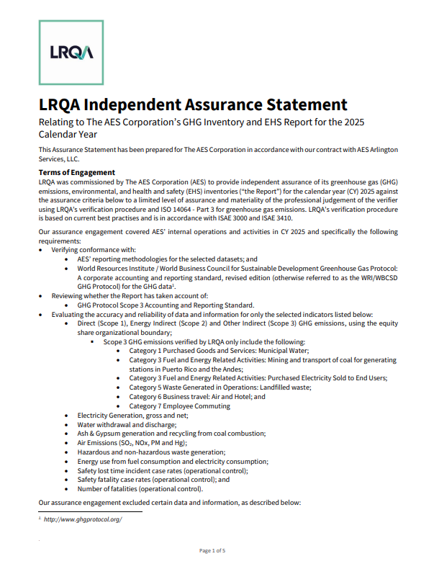
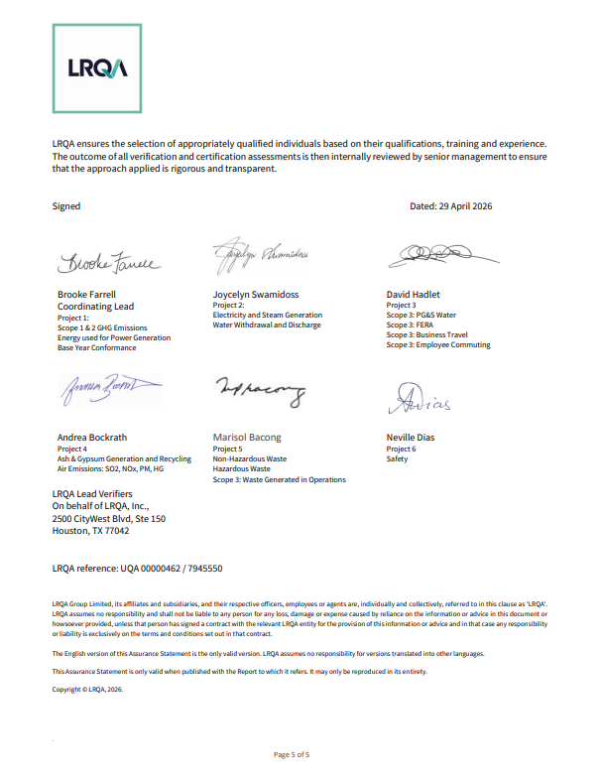
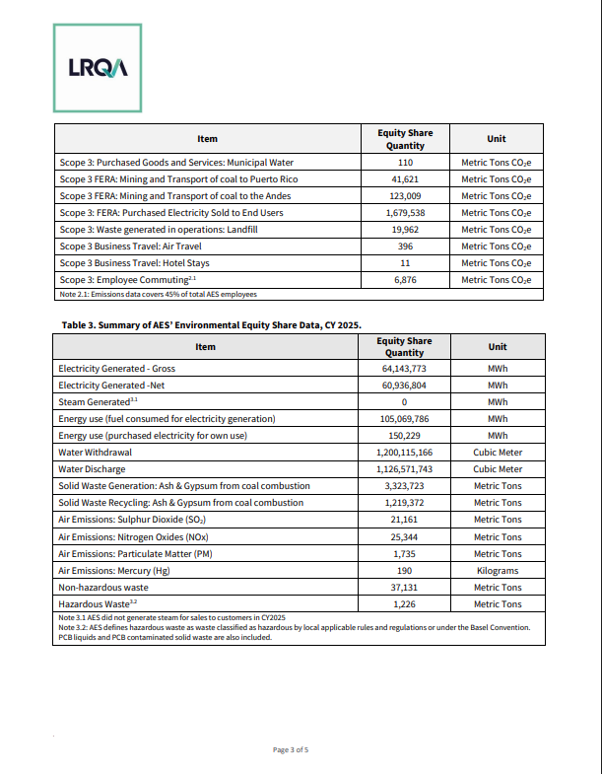
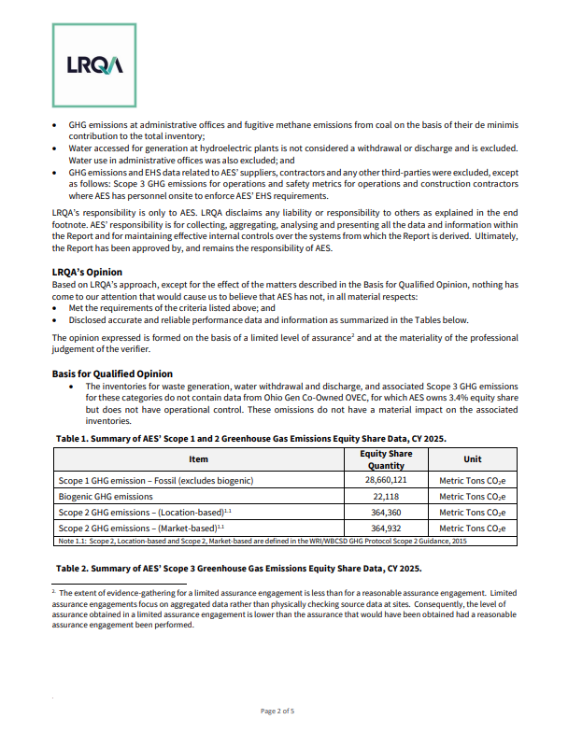
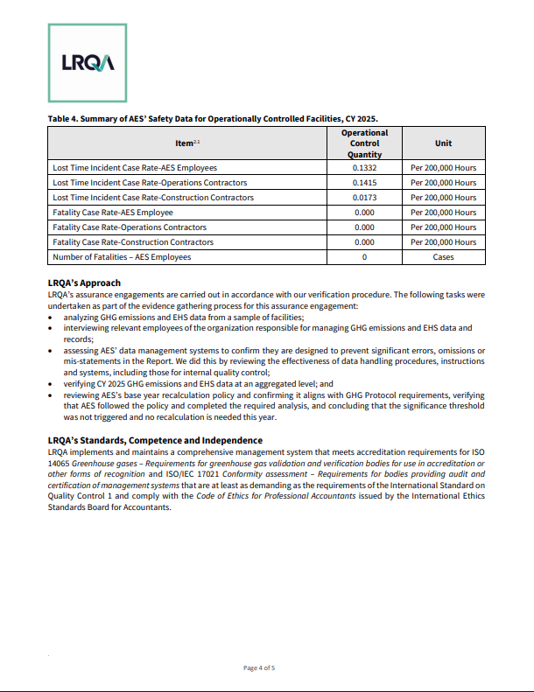
Accountability | Ethics and Compliance
Assurance Statement
Excel data tables - Sustainability Report 2025
This excel file is a complementary document for the Improving Lives Report 2025 of The AES Corporation.

GRI Index
Accountability | Ethics and Compliance
GRI Index
Excel data tables - Sustainability Report 2025
This excel file is a complementary document for the Improving Lives Report 2025 of The AES Corporation.

GRI Index
GRI code | GRI Indicator | Source | Page/ Table
GRI 2 - General Disclosures
2-1 | Organizational details | 2025 Improving Lives Report | Page 5
2-2 | Entities included in the organization’s sustainability reporting | 2025 Improving Lives Report | Page 49
2-3 | Reporting period, frequency and contact point | 2025 Improving Lives Report | Page 49
2-4 | Restatements of information | 2025 Improving Lives Report | Page 49
2-5 | External assurance | 2025 Improving Lives Report | Pages 54-55
 |  | Excel data tables - Sustainability Report 2025 | Assurance Statement
2-6 | Activities, value chain and other business relationships | Excel data tables - Sustainability Report 2025 | Suppliers - Table 1
...

SASB Index
SASB Index
Excel data tables - Sustainability Report 2025
This excel file is a complementary document for the Improving Lives Report 2025 of The AES Corporation.

SASB Index
SASB code | SASB Indicator | Source | Page/Table
Sustainability Disclosure Topics & Metrics
IF-EU-110a.1 | (1) Gross global Scope 1 emissions, percentage covered under (2) emissions-limiting regulations and (3) emissions-reporting regulations | Excel data tables - Sustainability Report 2025 | Emissions - Table 2 and Table 6
IF-EU-110a.2 | Greenhouse gas (GHG) emissions associated with power deliveries | Excel data tables - Sustainability Report 2025 | Emissions - Table 5
IF-EU-110a.3 | Discussion of long- and short-term strategy or plan to manage Scope 1 emissions, emissions reduction targets, and an analysis of performance against those targets | 2025 Improving Lives Report | Pages 35-36
IF-EU-120a.1 | Air emissions of the following pollutants: (1) NO_{x} (excluding N_{2} O), (2) SO_{x} , (3) particulate matter (PM_{10} ), (4) lead (Pb), and (5) mercury (Hg); percentage of each in or near areas of dense population | Excel data tables - Sustainability Report 2025 | Emissions - Table 7
IF-EU-140a.1 | (1) Total water withdrawn, (2) total water consumed; percentage of each in regions with High or Extremely High Baseline Water Stress | Excel data tables - Sustainability Report 2025 | Water - Table 1 and Table 3
IF-EU-140a.2 | Number of incidents of non-compliance associated with water quality permits, standards and regulations | 2025 Improving Lives Report | Page 34
...

